DOE
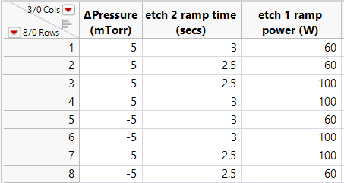
Current variations from loop set to loop set:
 | Set 1 | Set 2 | Set 3
Dep time | 1.2 | 1.2-->1.4 | 1.4
Etch 1 time | 1.2 | 1.2-->1.5 | 1.5

Etch 1 HF Power | 64-->70 | 70-->80 | 80-->60
Etch 2 HF Power | 24 | 24 | 20

Dep HF Tune Capaciter | 20 | 25 | 20
Etch 1 HF Tune Capaciter | 20 | 25 | 20
Etch 2 HF Tune Capaciter | 25 | 20 | 20
Dep HF Load Capaciter | 30 | 25 | 30
Etch 1 HF Load Capaciter | 30 | 25 | 30
Etch 2 HF Load Capaciter | 25 | 30 | 30

