Sheet5
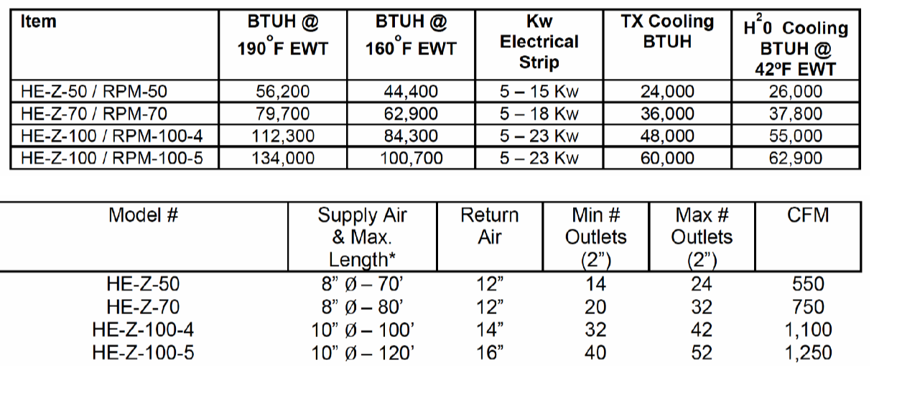

 |  |  |  |  |  |  |  |  |  |  |  |  | FCU Model | 190F Power [kW] | 140F Power [kW] | % Reduction | Peak Load [kW] | 190F Units Needed | 140F Units Needed | New Units
 |  |  |  |  |  |  |  |  |  |  |  |  | HE-Z 50/RPM-50 | 16.5 | 11.4 | 0.31 | 39.4 | 2.4 | 3.5 | 1.1
 |  |  |  | w=Cp*m*p*dT |  |  |  |  |  |  |  |  | HE-Z 70/RPM-70 | 23.4 | 15.5 | 0.34 | 39.4 | 1.7 | 2.5 | 0.9
 |  |  |  |  |  |  |  |  |  |  |  |  | HE-Z 100/RPM-100-4 | 32.9 | 22.7 | 0.31 | 39.4 | 1.2 | 1.7 | 0.5
 |  |  |  |  |  |  |  |  |  |  |  |  | HE-Z 100/RPM-100-5 | 39.3 | 25.8 | 0.34 | 39.4 | 1.0 | 1.5 | 0.5
 |  |  |  |  |  |  |  |  |  |  |  |  |  |  |  | 0.33

 |  |  |  |  |  |  |  |  |  |  |  |  |  |  |  |  | Average cost of replacing heat exchanger |  |  | 1500
 |  |  |  |  |  |  |  |  |  |  |  |  |  |  |  |  |  | range | 500 | 3500
FCU | 190F [BTU/hr] | W | CFM [ft^3/min] | m^3/s | p [kg/m^3] | Cp [J/kgK] | dT (190) | EWT [F] | EAT [60F -> K] | LWT [K] | LWT [F] | d(WT)
HE-Z 50/RPM-50 | 56200 | 16470.59414 | 550 | 0.25957085 | 1.125 | 1000 | 56.40282076 | 190 | 288.706 | 345.1088208 | 161.5258774 | 28.47412262
HE-Z 70/RPM-70 | 79700 | 23357.76429 | 750 | 0.35396025 | 1.125 | 1000 | 58.65759545 | 190 | 288.706 | 347.3635954 | 165.5844718 | 24.41552819
HE-Z 100/RPM-100-4 | 112300 | 32911.88118 | 1100 | 0.5191417 | 1.125 | 1000 | 56.35264032 | 190 | 288.706 | 345.0586403 | 161.4355526 | 28.56444743 |  |  |  |  | https://rahnindustries.com/2023/03/24/heat-exchanger-replacement-cost-guide/
HE-Z 100/RPM-100-5 | 134000 | 39271.5234 | 1250 | 0.58993375 | 1.125 | 1000 | 59.17278136 | 190 | 288.706 | 347.8787814 | 166.5118064 | 23.48819356
 |  |  |  |  |  |  |  |  |  |  |  |  |  |  |  |  |  | Heat pump heat exchanger 2-4k
FCU | 160F [BTU/hr] | W | CFM [ft^3/min] | m^3/s | p [kg/m^3] | Cp [J/kgK] | dT (160) | EWT [F] | EAT [60F -> K] | LWT [K] | LWT [F] | d(WT) |  |  |  |  |  | Boiler heat exchanger 2-4.5k
HE-Z 50/RPM-50 | 44400 | 13012.35552 | 550 | 0.25957085 | 1.125 | 1000 | 44.56023562 | 160 | 288.706 | 333.2662356 | 140.2092241 | 19.79077588
HE-Z 70/RPM-70 | 62900 | 18434.17031 | 750 | 0.35396025 | 1.125 | 1000 | 46.29313367 | 160 | 288.706 | 334.9991337 | 143.3284406 | 16.67155939
HE-Z 100/RPM-100-4 | 84300 | 24705.89122 | 1100 | 0.5191417 | 1.125 | 1000 | 42.30211557 | 160 | 288.706 | 331.0081156 | 136.144608 | 23.85539197
HE-Z 100/RPM-100-5 | 100700 | 29512.25677 | 1250 | 0.58993375 | 1.125 | 1000 | 44.4679036 | 160 | 288.706 | 333.1739036 | 140.0430265 | 19.95697352

FCU | 140F [BTU/hr] | W | CFM [ft^3/min] | m^3/s | p [kg/m^3] | Cp [J/kgK] | dT (140) | EWT [F] | EAT [60F -> K] | LWT [K] | LWT [F] | d(WT)
HE-Z 50/RPM-50 | 38748.16136 | 11355.96512 | 550 | 0.25957085 | 1.125 | 1000 | 38.888 | 140 | 288.706 | 327.594 | 130 | 10
HE-Z 70/RPM-70 | 52838.40185 | 15485.40698 | 750 | 0.35396025 | 1.125 | 1000 | 38.888 | 140 | 288.706 | 327.594 | 130 | 10
HE-Z 100/RPM-100-4 | 77496.32271 | 22711.93023 | 1100 | 0.5191417 | 1.125 | 1000 | 38.888 | 140 | 288.706 | 327.594 | 130 | 10
HE-Z 100/RPM-100-5 | 88064.00309 | 25809.01163 | 1250 | 0.58993375 | 1.125 | 1000 | 38.888 | 140 | 288.706 | 327.594 | 130 | 10

 | 1.4503914
 | 1.508372646
 | 1.449101016
 | 1.521620586
 | 1.482371412

 | CAPEX |  | Bar chart w full life time costs w error bars
 | Propane boiler
 | EBoiler
 | LTHP+FCU(#s)
 | HTHP

 |  |  |  |  | mmbtu | 2000 Wh | 1 yr | W
 | 318.766 | MMBTU/yr |  |  | yr | 1mmbtu | 8760 hr
 | 93,420,985.94 | Wh/yr
 | 10664.49611 | W

