SRplot_014
miRNAs | miR-1 | miR-2 | miR-3 | miR-4 | miR-5 | miR-6 | SRplot - Science & Research Plot
log2FC | 3.3 | 2.5 | 2.3 | -2.2 | -3.4 | -3.8 | https://www.bioinformatics.com.cn/plot_basic_gene_up_down_bar_plot_014_en

 |  |  |  |  |  |  | Output Preview

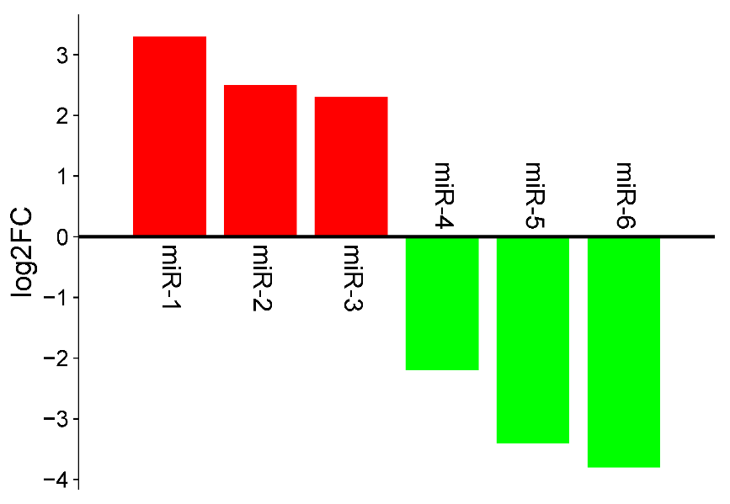

 |  |  |  |  |  |  | Note:

 |  |  |  |  |  |  | Questions or Cooperations, Contact us:
 |  |  |  |  |  |  | ding@bioinformatics.com.cn

