微生信示例016

Class | Description | Enrichment | pvalue | count | 微生信，您身边的数据分析，可视化专家
BP | Glutathione metabolism | 64.56521739 | 1.18E-08 | 10 | https://www.bioinformatics.com.cn/plot_multi_gopathway_enrichment_bubbleplot_016
BP | Drug metabolism - cytochrome P450 | 44.47826087 | 1.80E-06 | 6
BP | Metabolism of xenobiotics by cytochrome P450 | 43.86896962 | 1.90E-06 | 7 | 输出示例图
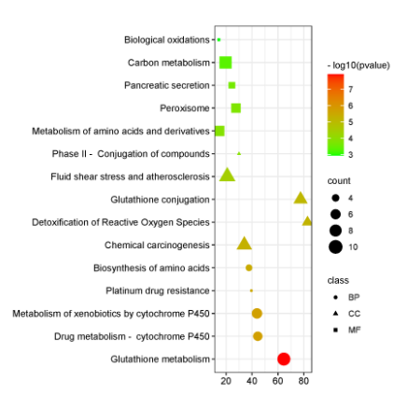
BP | Platinum drug resistance | 39.53623188 | 2.89E-06 | 3
BP | Biosynthesis of amino acids | 37.67570332 | 3.50E-06 | 4
CC | Chemical carcinogenesis | 34.06845513 | 5.23E-06 | 8
CC | Detoxification of Reactive Oxygen Species | 82.82158921 | 6.09E-06 | 5
CC | Glutathione conjugation | 77.47826087 | 7.48E-06 | 7
CC | Fluid shear stress and atherosclerosis | 20.93094629 | 3.59E-05 | 9
CC | Phase II - Conjugation of compounds | 30.02282609 | 0.000131345 | 3
MF | Metabolism of amino acids and derivatives | 14.69006781 | 0.000141807 | 7
MF | Peroxisome | 27.6071964 | 0.000168485 | 6
MF | Pancreatic secretion | 24.50842946 | 0.00023961 | 4
MF | Carbon metabolism | 19.52704136 | 0.00046714 | 9
MF | Biological oxidations | 14.46883185 | 0.001115933 | 3

 |  |  |  |  | 注意：

 |  |  |  |  | 使用问题，或数据分析合作意向
 |  |  |  |  | 请微信扫码联系我们

