SRplot_029
sample | Normal | Cancer | SRplot - Science & Research plot
rep1 | 1.2 | 8.5 | https://www.bioinformatics.com.cn/plot_basic_expression_connection_lines_029_en
rep2 | 2.2 | 9.1
rep3 | 1.2 | 11.2 | Output figure
rep4 | 2.2 | 10.2
rep5 | 2.3 | 14.5
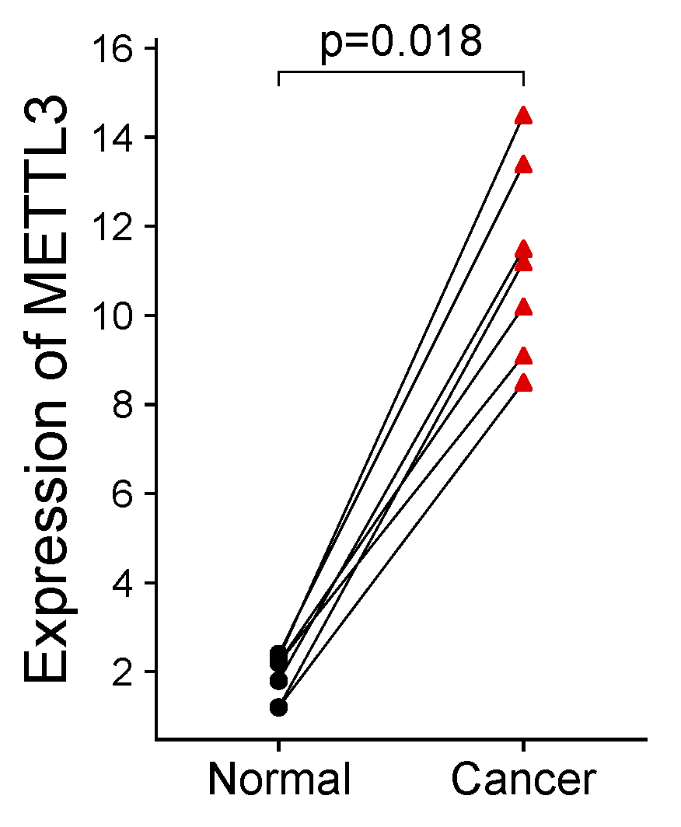
rep6 | 2.4 | 13.4
rep7 | 1.8 | 11.5

 |  |  | Note:

 |  |  | Questions or Cooperations, Contact us:
 |  |  | ding@bioinformatics.com.cn

