SRplot_030
name | geneA | geneB | geneC | geneD | SRplot - Science & Research plot
1h | 2.1 | 9 | 1 | 3 | https://www.bioinformatics.com.cn/plot_basic_x4_proportional_squre_area_chart_030_en
4h | 6.2 | 6 | 2 | 2.5
8h | 8.2 | 8 | 8 | 4.2 | Output figure
24h | 10.2 | 10 | 12 | 5.3

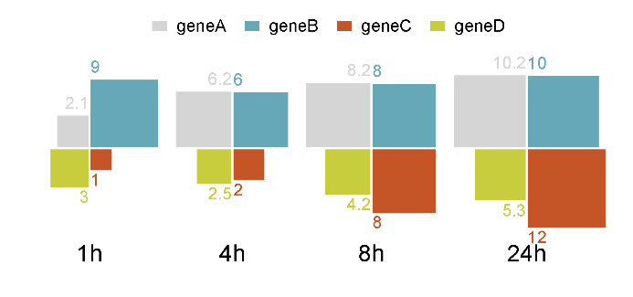

 |  |  |  |  | Note:

 |  |  |  |  | Questions or Cooperations, Contact us:
 |  |  |  |  | ding@bioinformatics.com.cn

