微生信示例040
Months | Status | Sex | 微生信，您身边的数据分析，可视化专家
1 | 2 | male | https://www.bioinformatics.com.cn/plot_basic_kaplan_meier_survival_curve_plot_040
2 | 2 | female
3 | 2 | male | 输出示例图
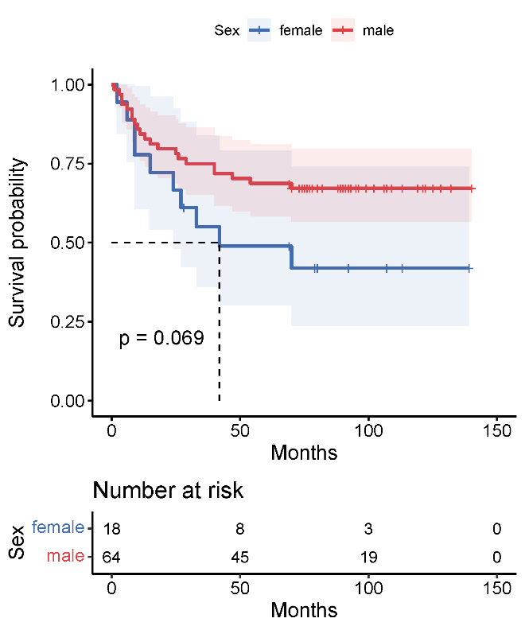
4 | 2 | male
4 | 2 | male
6 | 2 | male
6 | 2 | female
8 | 2 | male
8 | 2 | male
9 | 2 | female
9 | 2 | male
9 | 2 | female
10 | 2 | male
11 | 2 | male
13 | 2 | male
15 | 2 | female
15 | 2 | male
18 | 2 | male
24 | 2 | female
25 | 2 | male
26 | 2 | male
27 | 2 | female
28 | 1 | female
29 | 2 | male | 注意：最多绘制6组
33 | 2 | female
40 | 2 | male
40 | 2 | male | 使用问题，或数据分析合作意向
42 | 2 | female | 请微信扫码联系我们

47 | 2 | male
54 | 2 | male
69 | 1 | female
69 | 1 | male
70 | 2 | female
70 | 2 | male
70 | 1 | male
73 | 1 | male
74 | 1 | male
74 | 1 | male
75 | 1 | male
76 | 1 | male
77 | 1 | male
77 | 1 | male
78 | 1 | male
79 | 1 | female
80 | 1 | male
80 | 1 | female
82 | 1 | male
88 | 1 | male
89 | 1 | male
90 | 1 | male
90 | 1 | male
91 | 1 | male
91 | 1 | male
91 | 1 | male
92 | 1 | female
92 | 1 | male
93 | 1 | male
95 | 1 | male
96 | 1 | male
99 | 1 | male
102 | 1 | male
106 | 1 | male
106 | 1 | male
107 | 1 | male
107 | 1 | female
109 | 1 | male
109 | 1 | male
113 | 1 | male
113 | 1 | female
119 | 1 | male
119 | 1 | male
121 | 1 | male
121 | 1 | male
122 | 1 | male
122 | 1 | male
125 | 1 | male
128 | 1 | male
132 | 1 | male
132 | 1 | male
132 | 1 | male
139 | 1 | female
140 | 1 | male

