微生信示例046
GOterm | subgroup | Enrichment score | 微生信，您身边的数据分析，可视化专家
single-organism metabolic process | Biological process | 6.01 | https://www.bioinformatics.com.cn/plot_basic_GO_term_bp_cc_mf_bar_plot_046
cellular response to stress | Biological process | 5.24
phosphate-containing compound metabolic process | Biological process | 5.00 | 输出示例图
cellular metabolic process | Biological process | 4.96
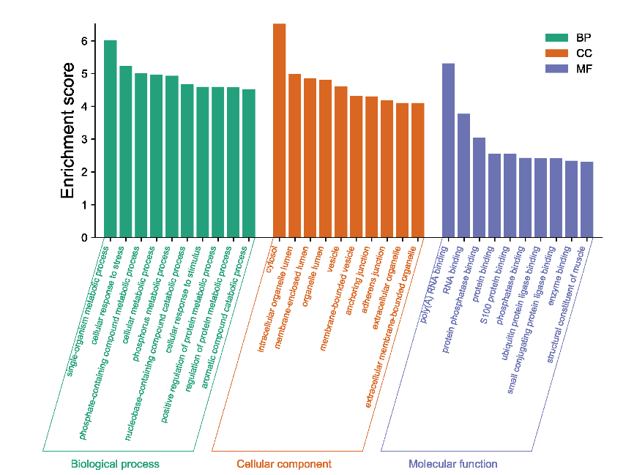
phosphorus metabolic process | Biological process | 4.93
nucleobase-containing compound catabolic process | Biological process | 4.68
cellular response to stimulus | Biological process | 4.59
positive regulation of protein metabolic process | Biological process | 4.59
regulation of protein metabolic process | Biological process | 4.58
aromatic compound catabolic process | Biological process | 4.52
cytosol | Cellular component | 6.52
intracellular organelle lumen | Cellular component | 4.98
membrane-enclosed lumen | Cellular component | 4.85
organelle lumen | Cellular component | 4.81
vesicle | Cellular component | 4.61
membrane-bounded vesicle | Cellular component | 4.32
anchoring junction | Cellular component | 4.30
adherens junction | Cellular component | 4.18
extracellular organelle | Cellular component | 4.10
extracellular membrane-bounded organelle | Cellular component | 4.10
poly(A) RNA binding | Molecular function | 5.31
RNA binding | Molecular function | 3.77 | B站：GO富集分析BP、CC、MF三合一图绘制视频教程
protein phosphatase binding | Molecular function | 3.05
protein binding | Molecular function | 2.55 | 注意：第二列必需是Biological process，Cellular component或者Molecular function。 大小写保持一致
S100 protein binding | Molecular function | 2.55
phosphatase binding | Molecular function | 2.43
ubiquitin protein ligase binding | Molecular function | 2.41 | 使用问题，或数据分析合作意向
small conjugating protein ligase binding | Molecular function | 2.41 | 请微信扫码联系我们

enzyme binding | Molecular function | 2.34
structural constituent of muscle | Molecular function | 2.31

