SRplot_046
GOterm | subgroup | Enrichment score | SRplot - Science & Research plot
single-organism metabolic process | Biological process | 6.01 | https://www.bioinformatics.com.cn/plot_basic_GO_term_bp_cc_mf_bar_plot_046_en
cellular response to stress | Biological process | 5.24
phosphate-containing compound metabolic process | Biological process | 5.00 | Output Preview
cellular metabolic process | Biological process | 4.96
phosphorus metabolic process | Biological process | 4.93
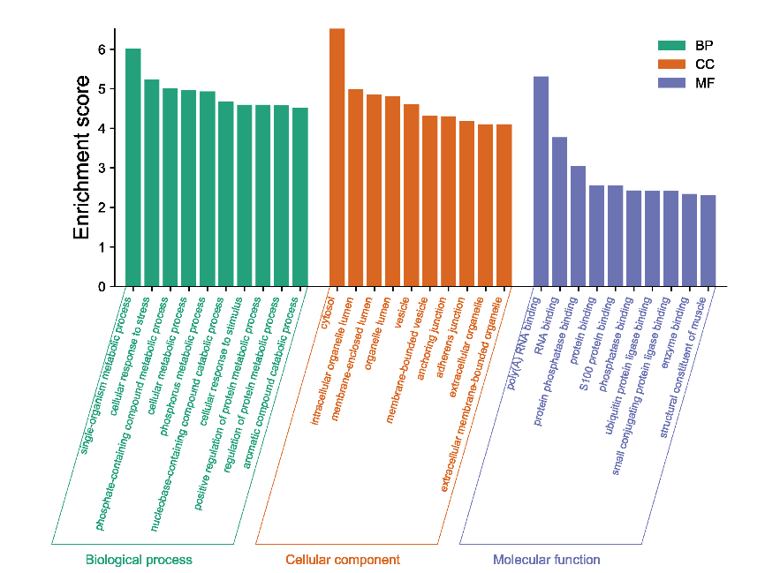
nucleobase-containing compound catabolic process | Biological process | 4.68
cellular response to stimulus | Biological process | 4.59
positive regulation of protein metabolic process | Biological process | 4.59
regulation of protein metabolic process | Biological process | 4.58
aromatic compound catabolic process | Biological process | 4.52
cytosol | Cellular component | 6.52
intracellular organelle lumen | Cellular component | 4.98
membrane-enclosed lumen | Cellular component | 4.85
organelle lumen | Cellular component | 4.81
vesicle | Cellular component | 4.61
membrane-bounded vesicle | Cellular component | 4.32
anchoring junction | Cellular component | 4.30
adherens junction | Cellular component | 4.18
extracellular organelle | Cellular component | 4.10
extracellular membrane-bounded organelle | Cellular component | 4.10
poly(A) RNA binding | Molecular function | 5.31
RNA binding | Molecular function | 3.77
protein phosphatase binding | Molecular function | 3.05
protein binding | Molecular function | 2.55 | Note: Column B must be Biological process, Cellular component, Molecular function. Case-sensitive and order-sensitive.
S100 protein binding | Molecular function | 2.55
phosphatase binding | Molecular function | 2.43
ubiquitin protein ligase binding | Molecular function | 2.41
small conjugating protein ligase binding | Molecular function | 2.41 | Questions or Cooperations, Contact us:
enzyme binding | Molecular function | 2.34 | ding@bioinformatics.com.cn
structural constituent of muscle | Molecular function | 2.31

