SRplot_051
base | count | SRplot - Science & Research plot
A | 30 | https://www.bioinformatics.com.cn/plot_basic_donut_chart_plot_051_en
T | 40
C | 50 | Preview
G | 60

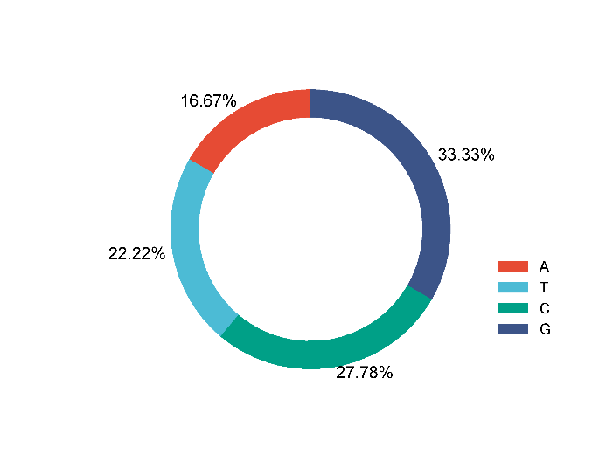

 |  | Note:

 |  | Questions or Cooperations, Contact us:
 |  | ding@bioinformatics.com.cn

