微生信示例054

GRB11 | Correlation coefficient (r) | pvalue | 微生信，您身边的数据分析，可视化专家
NK cells resting | 0.7 | 0.002 | https://www.bioinformatics.com.cn/plot_basic_corrlation_dot_line_054
T cells naive | 0.65 | 0.018
Macrophages M0 | 0.6 | 0.052 | 输出示例图
T cells memory activated | 0.55 | 0.084
B cells naive | 0.5 | 0.24
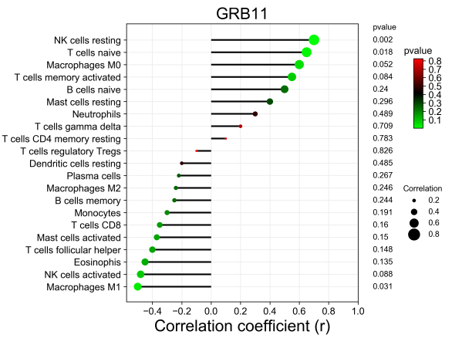
Mast cells resting | 0.4 | 0.296
Neutrophils | 0.3 | 0.489
T cells gamma delta | 0.2 | 0.709
T cells CD4 memory resting | 0.1 | 0.783
T cells regulatory Tregs | -0.1 | 0.826
Dendritic cells resting | -0.2 | 0.485
Plasma cells | -0.22 | 0.267
Macrophages M2 | -0.24 | 0.246
B cells memory | -0.25 | 0.244
Monocytes | -0.3 | 0.191
T cells CD8 | -0.35 | 0.16
Mast cells activated | -0.37 | 0.15
T cells follicular helper | -0.4 | 0.148
Eosinophis | -0.45 | 0.135
NK cells activated | -0.48 | 0.088
Macrophages M1 | -0.5 | 0.031

 |  |  | 注意：

 |  |  | 使用问题，或数据分析合作意向
 |  |  | 请微信扫码联系我们

