SRplot 061
demo1: input 2 lines |  |  |  |  |  |  |  | SRplot - Science & Research plot
 |  |  |  |  |  |  |  | https://www.bioinformatics.com.cn/plot_basic_one_group_vertical_bar_with_trend_061_en
days | Mon | Tue | Wed | Thu | Fri | Sat | Sun
steps | 820 | 932 | 901 | 934 | 1290 | 1330 | 1320 | Output figure

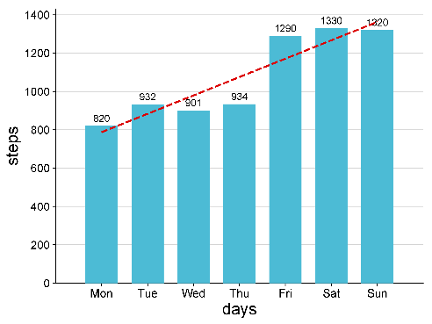
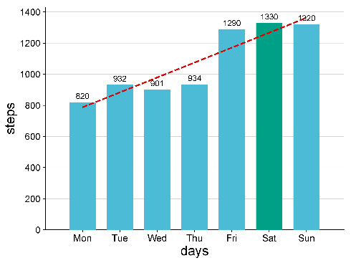

demo2: input 3 lines (line 3 is color code)

days | Mon | Tue | Wed | Thu | Fri | Sat | Sun
steps | 820 | 932 | 901 | 934 | 1290 | 1330 | 1320
colors | 1 | 1 | 1 | 1 | 1 | 3 | 1

 |  |  |  |  |  |  |  |  | demo1 | demo2

 |  |  |  |  |  |  |  | Note:

 |  |  |  |  |  |  |  | Questions or Cooperations, Contact us:
 |  |  |  |  |  |  |  | ding@bioinformatics.com.cn

