微生信示例062
GO | gene count | group | 微生信，您身边的数据分析，可视化专家
cellular process | 95 | BP | https://www.bioinformatics.com.cn/plot_basic_horizontal_bar_062
metabolic process | 76 | BP
organic substance metabolic process | 75 | BP | 输出示例图
primary metabolic process | 73 | BP
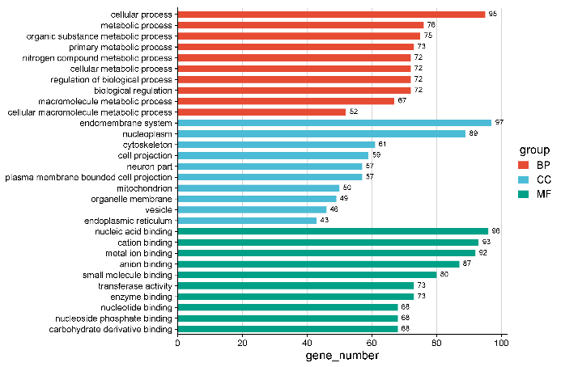
nitrogen compound metabolic process | 72 | BP
cellular metabolic process | 72 | BP
regulation of biological process | 72 | BP
biological regulation | 72 | BP
macromolecule metabolic process | 67 | BP
cellular macromolecule metabolic process | 52 | BP
endomembrane system | 97 | CC
nucleoplasm | 89 | CC
cytoskeleton | 61 | CC
cell projection | 59 | CC
neuron part | 57 | CC
plasma membrane bounded cell projection | 57 | CC
mitochondrion | 50 | CC
organelle membrane | 49 | CC
vesicle | 46 | CC
endoplasmic reticulum | 43 | CC
nucleic acid binding | 96 | MF
cation binding | 93 | MF
metal ion binding | 92 | MF
anion binding | 87 | MF | 注意：
small molecule binding | 80 | MF
transferase activity | 73 | MF
enzyme binding | 73 | MF | 使用问题，或数据分析合作意向
nucleotide binding | 68 | MF | 请微信扫码联系我们

nucleoside phosphate binding | 68 | MF
carbohydrate derivative binding | 68 | MF

