SRplot_062
GO | gene count | group | SRplot - Science & Research plot
cellular process | 95 | BP | https://www.bioinformatics.com.cn/plot_basic_horizontal_bar_062_en
metabolic process | 76 | BP
organic substance metabolic process | 75 | BP | Output figure
primary metabolic process | 73 | BP
nitrogen compound metabolic process | 72 | BP
cellular metabolic process | 72 | BP
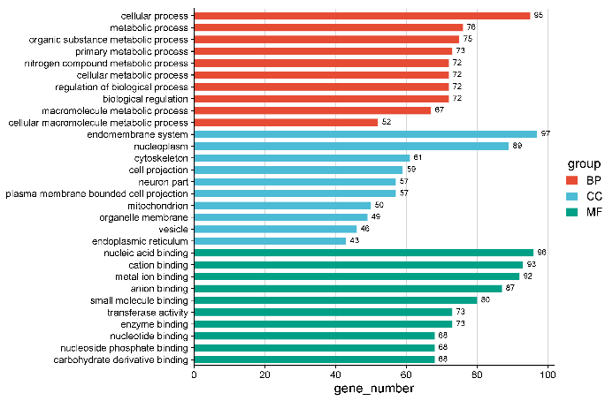
regulation of biological process | 72 | BP
biological regulation | 72 | BP
macromolecule metabolic process | 67 | BP
cellular macromolecule metabolic process | 52 | BP
endomembrane system | 97 | CC
nucleoplasm | 89 | CC
cytoskeleton | 61 | CC
cell projection | 59 | CC
neuron part | 57 | CC
plasma membrane bounded cell projection | 57 | CC
mitochondrion | 50 | CC
organelle membrane | 49 | CC
vesicle | 46 | CC
endoplasmic reticulum | 43 | CC
nucleic acid binding | 96 | MF
cation binding | 93 | MF
metal ion binding | 92 | MF
anion binding | 87 | MF | Note:
small molecule binding | 80 | MF
transferase activity | 73 | MF
enzyme binding | 73 | MF | Questions or Cooperations, Contact us:
nucleotide binding | 68 | MF | ding@bioinformatics.com.cn
nucleoside phosphate binding | 68 | MF
carbohydrate derivative binding | 68 | MF

