SRplot_063
class | value | SRplot - Science & Research plot
Ppt2 | 10 | https://www.bioinformatics.com.cn/plot_basic_treemap_063_en
Map3k7 | 9
Ccnyl1 | 8 | Output figure
Rnf13 | 7
Tab3 | 6
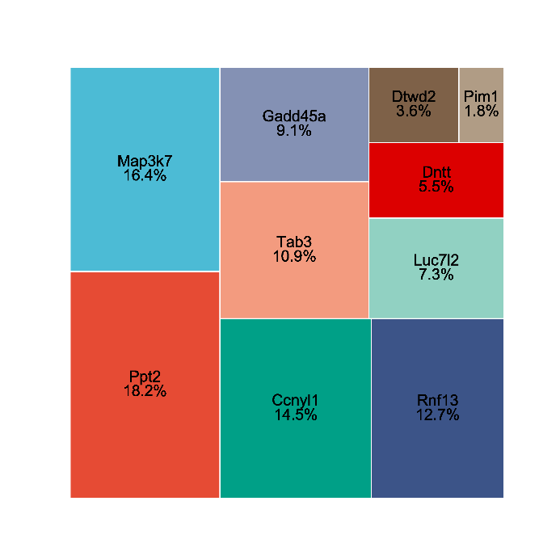
Gadd45a | 5
Luc7l2 | 4
Dntt | 3
Dtwd2 | 2
Pim1 | 1

 |  | Note:

 |  | Questions or Cooperations, Contact us:
 |  | ding@bioinformatics.com.cn

