微生信示例065
GOterm | -log10(p) | count | subgroup | 微生信，您身边的数据分析，可视化专家
single-organism metabolic process | 6.01 | 33 | Biological process | https://www.bioinformatics.com.cn/plot_basic_vertical_lollipop_chart_065
cellular response to stress | 5.24 | 27 | Biological process
phosphate-containing compound metabolic process | 5 | 11 | Biological process | 输出示例图
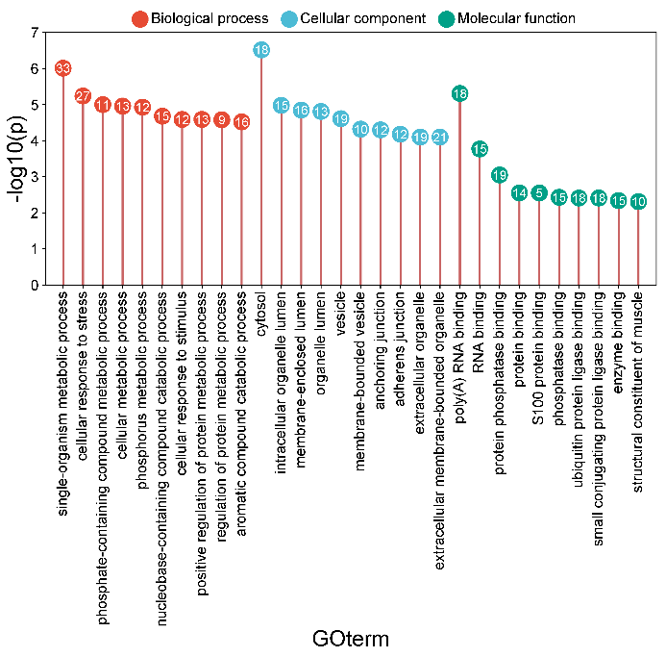
cellular metabolic process | 4.96 | 13 | Biological process
phosphorus metabolic process | 4.93 | 12 | Biological process
nucleobase-containing compound catabolic process | 4.68 | 15 | Biological process
cellular response to stimulus | 4.59 | 12 | Biological process
positive regulation of protein metabolic process | 4.59 | 13 | Biological process
regulation of protein metabolic process | 4.58 | 9 | Biological process
aromatic compound catabolic process | 4.52 | 16 | Biological process
cytosol | 6.52 | 18 | Cellular component
intracellular organelle lumen | 4.98 | 15 | Cellular component
membrane-enclosed lumen | 4.85 | 16 | Cellular component
organelle lumen | 4.81 | 13 | Cellular component
vesicle | 4.61 | 19 | Cellular component
membrane-bounded vesicle | 4.32 | 10 | Cellular component
anchoring junction | 4.3 | 12 | Cellular component
adherens junction | 4.18 | 12 | Cellular component
extracellular organelle | 4.1 | 19 | Cellular component
extracellular membrane-bounded organelle | 4.1 | 21 | Cellular component
poly(A) RNA binding | 5.31 | 18 | Molecular function
RNA binding | 3.77 | 15 | Molecular function | B站：垂直棒棒糖图绘制视频教程
protein phosphatase binding | 3.05 | 19 | Molecular function
protein binding | 2.55 | 14 | Molecular function | 注意：
S100 protein binding | 2.55 | 5 | Molecular function
phosphatase binding | 2.43 | 15 | Molecular function
ubiquitin protein ligase binding | 2.41 | 18 | Molecular function | 使用问题，或数据分析合作意向
small conjugating protein ligase binding | 2.41 | 18 | Molecular function | 请微信扫码联系我们

enzyme binding | 2.34 | 15 | Molecular function
structural constituent of muscle | 2.31 | 10 | Molecular function

