微生信示例069
gene | fpkm | 微生信，您身边的数据分析，可视化专家
TSPAN6 | 0.300340479 | http://www.bioinformatics.com.cn/plot_basic_histogram_with_without_fit_069
DPM1 | 4.359429804
SCYL3 | 2.421072456 | 输出示例图
C1orf112 | 1.457321118
FGR | 8.001289959
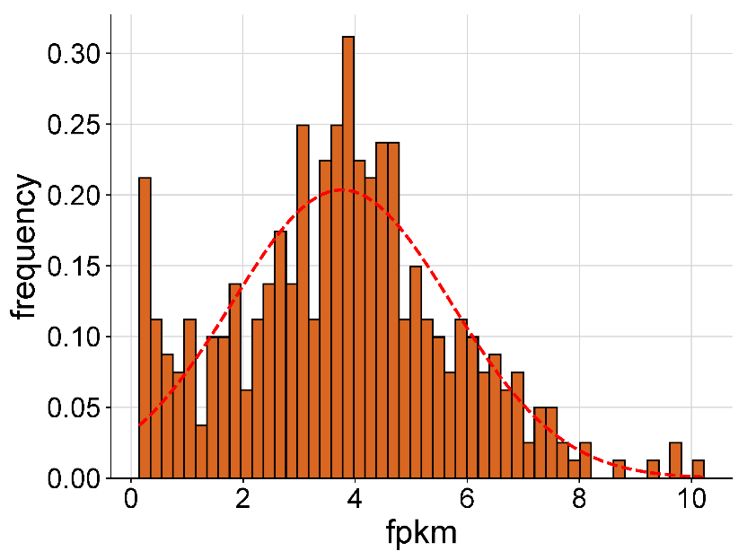
CFH | 1.841280781
FUCA2 | 3.92716639
GCLC | 4.135731856
NFYA | 4.375004667
STPG1 | 0.95519152
NIPAL3 | 3.788100998
LAS1L | 3.562205784
ENPP4 | 2.627123524
ANKIB1 | 4.939203066
CYP51A1 | 3.585863903
KRIT1 | 5.17818877
RAD52 | 2.664105051
BAD | 3.3377168
LAP3 | 5.940192597
CD99 | 0.285649601
AOC1 | 0.257573099
WNT16 | 0.143746049
MAD1L1 | 4.92825187
LASP1 | 6.17688123 | 注意：
SNX11 | 4.243067325
TMEM176A | 5.069405727
M6PR | 6.77691988 | 使用问题，或数据分析合作意向
KLHL13 | 0.363113873 | 请微信扫码联系我们

ICA1 | 2.040057775
DBNDD1 | 0.408598832
ALS2 | 2.317767139
CASP10 | 4.625627027
CFLAR | 7.438359395
TFPI | 3.099684023
NDUFAF7 | 3.434633565
RBM5 | 6.864743301
ARF5 | 6.201490761
SARM1 | 2.633094038
POLDIP2 | 3.598901114
PLXND1 | 5.233193995
AK2 | 5.476524265
CD38 | 2.280044694
FKBP4 | 4.403894845
KDM1A | 4.217331546
RBM6 | 6.303848316
CAMKK1 | 1.821167317
RECQL | 4.666171443
CCDC132 | 3.939283005
ARHGAP33 | 1.346156982
NDUFAB1 | 4.251105533
PDK4 | 4.436008551
SLC22A16 | 2.978980843
ZMYND10 | 0.575743138
SLC25A13 | 4.898169648
ST7 | 2.430309362
CDC27 | 4.606910021
SLC4A1 | 0.207458104
HCCS | 3.286894451
DVL2 | 3.142096435
UPF1 | 4.519648832
SKAP2 | 6.549291815
SLC25A5 | 6.481884982
CCDC109B | 5.411412686
POLR2J | 3.109521036
DHX33 | 2.439280041
MEOX1 | 0.602744763
LIG3 | 3.880969531
RPAP3 | 4.182954437
ACSM3 | 1.739770351
AC004381.6 | 0.748969522
CIAPIN1 | 3.960910138
FAM214B | 4.123351669
PRKAR2B | 5.838092044
MSL3 | 6.086350689
CREBBP | 6.543030273
BZRAP1 | 3.415217825
MPO | 1.748675904
GCFC2 | 3.207536818
WDR54 | 2.18976764
CROT | 2.601587181
ABCB4 | 1.788589667
KMT2E | 6.404015807
RHBDD2 | 3.494658813
SOX8 | 0.250491106
IBTK | 4.104554725
ZNF195 | 4.105937833
MYCBP2 | 6.241394038
FBXL3 | 4.526431944
ITGAL | 7.492966748
PDK2 | 3.007346223
ITGA3 | 1.060503992
ZFX | 4.55083296
LAMP2 | 5.869632088
GGNBP2 | 6.139762114
ITGA2B | 4.823453863
GDE1 | 4.43432131
C19orf60 | 4.616534141
OSBPL7 | 3.660403855
YBX2 | 0.158016393
CCL3 | 4.534665505
SYNRG | 5.22109599
AP2B1 | 5.327478992
ZNF263 | 4.178499535
SPATA20 | 3.866047444
TNFRSF12A | 3.091230988
MAP3K9 | 0.835578918
RALA | 3.928427177
KDM7A | 5.204242466
AGK | 3.925239905
ALDH3B1 | 4.27482819
TTC22 | 1.756767124
PHTF2 | 4.225529446
FARP2 | 3.261541346
GGCT | 3.165357259
DBF4 | 3.355556187
TBXA2R | 1.385188037
IFRD1 | 4.857105163
LGALS14 | 0.858567506
COX10 | 3.158766798
GTF2IRD1 | 0.38010991
PAF1 | 4.476705707
VPS41 | 5.885081343
ELAC2 | 4.77865015
SCIN | 0.574120889
ARSD | 3.179698939
PNPLA4 | 1.384464315
ADIPOR2 | 4.426244624
CDKL3 | 0.148111518
PRSS21 | 0.944114048
MARK4 | 4.363717768
CCDC124 | 3.895147484
CEACAM21 | 2.64527741
PAFAH1B1 | 6.59640894
KIAA0100 | 6.134073048
GAS7 | 6.443903315
TRAPPC6A | 3.34568165
MATK | 3.84865799
CD79B | 4.66654642
ST7L | 3.405932473
TKTL1 | 2.014373148
RPUSD1 | 3.138095235
RHBDF1 | 0.585066371
LUC7L | 5.534755757
CACNA2D2 | 1.464898244
BAIAP3 | 2.451308717
TSR3 | 3.697796056
PIGQ | 3.148854404
CRAMP1L | 3.012688446
DNAJC11 | 3.709886121
MYLIP | 4.730292146
E2F2 | 2.294403134
PSMB1 | 5.857339102
SYN1 | 0.272918995
JARID2 | 4.81888123
CDKL5 | 1.744316123
CDK11A | 4.602652846
NADK | 6.081243746
DLEC1 | 2.210342104
CYTH3 | 2.634621146
ADAM22 | 1.605859347
SYPL1 | 4.837277229
CYB561 | 2.638982044
SPAG9 | 5.776204026
CELSR3 | 1.793150939
AASS | 1.000540909
SS18L2 | 4.093357346
MPND | 3.048890064
MGST1 | 4.661504494
CRY1 | 2.806491107
PGLYRP1 | 0.519654619
NFIX | 1.482956675
ST3GAL1 | 5.656158825
MMP25 | 3.585515428
IL32 | 7.464562086
PKD1 | 3.696494662
MAPK8IP2 | 0.156106625
MED24 | 4.550420507
RHOBTB2 | 2.224716379
HEATR5B | 4.686847853
SEC62 | 5.981827543
RPS20 | 9.656625075
CSDE1 | 7.699343408
UBE3C | 5.624244221
REV3L | 3.959185912
TENM1 | 1.168513676
FAM76A | 2.781147753
TRAF3IP3 | 6.867130447
POMT2 | 2.180004603
VTA1 | 3.889512481
MLXIPL | 0.387757353
BAZ1B | 4.504855526
RANBP9 | 4.644335085
ETV7 | 0.39579877
SPRTN | 3.342948645
METTL13 | 3.076234127
DYRK4 | 3.335749063
ZNF207 | 7.173797044
UQCRC1 | 5.581878452
STARD3NL | 4.045792419
CD9 | 4.558071669
NCAPD2 | 3.936129078
IFFO1 | 4.288779348
GIPR | 2.368670583
PHF7 | 2.991832913
SEMA3G | 0.392620769
NISCH | 5.230126141
STAB1 | 6.385586343
FUZ | 2.718313398
SLC6A13 | 0.225419316
IDS | 6.002967995
ZNF200 | 1.79762729
CD4 | 6.204925172
LRRC23 | 2.378267454
BTK | 5.597742706
HFE | 3.771737711
SCMH1 | 2.651442099
FYN | 8.074896071
HIVEP2 | 3.882995122
TCEB3 | 3.985782748
LYPLA2 | 3.829616194
CLCN6 | 3.706585806
MRC2 | 0.563666768
NME2 | 1.069715913
TSPAN9 | 1.747206917
BTBD7 | 3.944858446
APBA3 | 3.441701248
MKS1 | 2.27453899
ABHD5 | 4.534466307
AKAP8L | 5.396834224
MBTD1 | 3.936873462
UTP18 | 4.047302806
RNF216 | 4.74827337
TTC19 | 3.449784529
PTBP1 | 6.517478853
LARS2 | 2.480174628
PIK3C2A | 3.69099808
PLAUR | 6.188096243
ANLN | 1.030159483
WIZ | 3.002207437
RABGAP1 | 4.717292567
QPCTL | 1.647185548
PPP5C | 3.958239493
CEP68 | 2.931499636
MAP4K3 | 3.43460421
ZBTB32 | 1.584832652
TYROBP | 8.666852437
TMEM159 | 2.596064493
BRCA1 | 2.368653823
ERCC1 | 4.571203519
CD22 | 4.550192684
MBTPS2 | 2.116457917
PRICKLE3 | 2.058953704
LTF | 2.148234545
EXTL3 | 3.705347621
ELOVL5 | 5.851264314
ALOX5 | 6.782749278
KDM5D | 5.578186988
CALCOCO1 | 5.536230117
UBR7 | 2.828820436
MAP4K5 | 4.049700461
EHD3 | 2.908322961
PSMC4 | 4.3761306
MAN2B2 | 3.752791401
SLC25A39 | 4.069006082
MVP | 6.826561198
NUB1 | 5.296897858
PGM3 | 2.590573278
RWDD2A | 0.775541122
CLK1 | 7.353235061
POLR3B | 1.793338252
ANGEL1 | 2.907042551
RNF14 | 3.455705971
DNASE1L1 | 3.860088774
DDX11 | 2.904861702
HEBP1 | 4.133481328
MAMLD1 | 0.623963288
CD6 | 5.177957645
TACC3 | 5.052394156
UFL1 | 3.639938286
POLA2 | 2.56146545
ZC3H3 | 3.387489378
CAPN1 | 6.032464558
ACPP | 4.767178058
MDH1 | 5.152086046
SLC30A9 | 3.833284803
MTMR11 | 4.588480788
COX15 | 3.916610398
CCDC88C | 6.66011002
YAF2 | 4.353478563
ZMYND11 | 4.22056213
WAS | 6.421317568
BID | 5.183149026
MATR3 | 7.372664853
XYLT2 | 2.632931237
RGPD5 | 1.02519893
NUDCD3 | 4.44429601
CHDH | 0.272060227
GLT8D1 | 3.56152166
ATP2C1 | 4.655237324
SRCIN1 | 0.186837739
SLC38A5 | 2.565514316
RALBP1 | 4.165944088
RUFY3 | 4.81387865
SLC11A1 | 8.039023211
WWTR1 | 0.290858445
AGPS | 3.682517117
CXorf56 | 3.05709497
TTC27 | 3.009175157
ZNF582 | 0.929350928
PHLDB1 | 0.545682766
MARCO | 3.714223534
PRDM11 | 1.556292068
CD74 | 10.22432733
HGF | 3.933865302
ZRANB1 | 3.369566987
NCDN | 2.841985192
GPR124 | 1.399728919
ZFP64 | 2.174428791
MNAT1 | 3.634221512
SAMD4A | 1.892616399
RUNX3 | 5.294925796
MRE11A | 4.107595815
PLEKHB1 | 2.479879835
SERPINB1 | 7.294409383
SLC7A9 | 0.224219365
SPAST | 3.437554013
OSBPL5 | 4.998425702
AQR | 4.768528413
CPS1 | 0.988354579
FHL1 | 3.623152827
RTFDC1 | 5.371645979
NLRP2 | 1.192320435
SLC45A4 | 3.497893341
RNF10 | 6.890264277
ZNF839 | 2.778969681
ZDHHC6 | 4.661635602
GRAMD1B | 1.882431765
RNH1 | 5.718482188
NDUFS1 | 4.473072529
RB1CC1 | 5.135715442
ERP44 | 4.048968509
ALAS1 | 3.549373456
BIRC3 | 5.141314251
AKAP11 | 3.825917885
GLRX2 | 2.895886174
SNAPC1 | 1.072140109
DERA | 4.115632576
STRAP | 5.30500743
ABCC2 | 0.696356222
DEF6 | 5.545227068
PLEKHO1 | 6.357054013
GCLM | 3.482964417
UBR2 | 4.822623089
EHD2 | 0.278424925
CCDC28A | 3.394896853
RRAGD | 2.966818038
HSF2 | 2.808903957
PHF20 | 5.151582847
HSD17B6 | 0.302853619
NR1H3 | 1.767514971
TYMP | 7.407752123
NCAPH2 | 3.629076798
TOMM34 | 1.763951156
SEC63 | 4.988384757
KPNA6 | 4.107277764
VIM | 9.786096428
RTEL1-TNFRSF6B | 1.506683178
FAS | 4.428886064
RNASET2 | 6.960303186
CD44 | 9.373441588
KCNG1 | 0.347545474
AGPAT4 | 4.100212379
SLAMF7 | 4.461299355
BTN3A1 | 5.830229967
MIPEP | 2.521897506
PRKCH | 6.746783017
IFNGR1 | 6.803033252
B4GALT7 | 3.019540025
SH2D2A | 3.937833997
VRK2 | 3.622180704
TNFRSF1B | 7.171417018
VEZT | 4.241855434
POU2F2 | 5.605639521
BRD9 | 4.228557058
SNX1 | 5.8023199
TBPL1 | 4.114983287
ARNTL2 | 1.027599958
BCLAF1 | 7.350559126
SLC39A9 | 3.95287401
ANK1 | 1.473298572
TFB1M | 3.405562209
RABEP1 | 4.664323543
HMGB3 | 2.565182829
NUP160 | 4.318172203
BAK1 | 3.111877646
IKZF2 | 3.719676304
GRN | 7.648436681
FAM13B | 5.003332381

