微生信示例079

Continent | Country | Number | 微生信，您身边的数据分析，可视化专家
East Asia | China | 9 | https://www.bioinformatics.com.cn/plot_basic_voronoi_treemaps_plot_079
East Asia | Hong Kong | 0.5
East Asia | India | 1.5 | 输出示例图
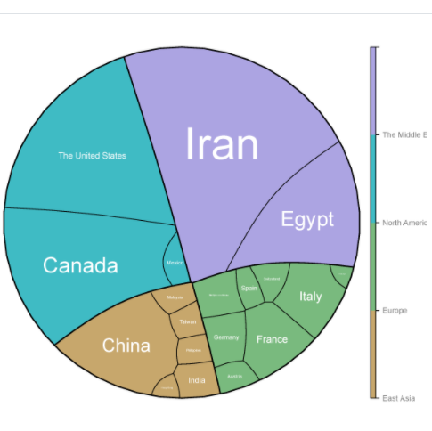
East Asia | Malaysia | 1
East Asia | Philippines | 1
East Asia | Taiwan | 1
The Middle East | Egypt | 12
The Middle East | Iran | 35
Europe | Austria | 1
Europe | France | 4
Europe | Germany | 2
Europe | Italy | 4
Europe | Spain | 1
Europe | Switzerland | 1
Europe | The United Kingdom | 0.5
Europe | Multiple countriesa | 2
North America | Canada | 19
North America | Mexico | 1
North America | The United States | 21.5

 |  |  | 注意：文字阶段的话，请使用inkscape编辑svg格式文件

 |  |  | 使用问题，或数据分析合作意向
 |  |  | 请微信扫码联系我们

