SRplot 081
pathway | enrichment | pvalue | count | class | SRplot - Bioinformatics Microservices
RNA transport | 4.807258641 | 1.56E-05 | 15 | BP | https://www.bioinformatics.com.cn/plot_basic_gopathway_enrichment_bubbleplot_081_en
Epstein-Barr virus infection | 4.569261748 | 2.70E-05 | 16 | BP
HTLV-I infection | 3.814616521 | 0.000153244 | 17 | BP | Output figure
Tuberculosis | 3.454180941 | 0.000351414 | 13 | CC
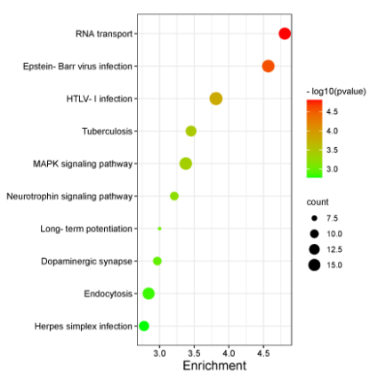
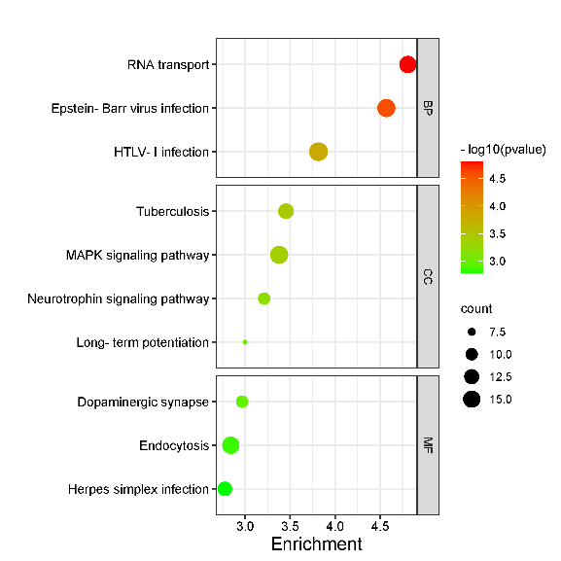
MAPK signaling pathway | 3.378131581 | 0.000418667 | 16 | CC
Neurotrophin signaling pathway | 3.212102971 | 0.000613617 | 10 | CC
Long-term potentiation | 3.000035266 | 0.000999919 | 7 | CC
Dopaminergic synapse | 2.967026455 | 0.001078881 | 10 | MF
Endocytosis | 2.841316731 | 0.001441064 | 15 | MF
Herpes simplex infection | 2.775219173 | 0.001677957 | 12 | MF

 |  |  |  |  |  | no facet | facet

 |  |  |  |  | Note: 1, Input can be 4 or 5 columns, the fifth columns is optional. If the fifth column exists, it will output the facet plot. 2, enrichment is -log10(p), generatio is also accepted. 3, if points are black and white, please change log(p) into p using excel power function. 4, if no points appears, wider the figure.

 |  |  |  |  | Questions or Cooperations, Contact us:
 |  |  |  |  | ding@bioinformatics.com.cn

