SRplot_085
gene | GOterm1 | GOterm2 | GOterm3 | GOterm4 | GOterm5 | logFC | SRplot - Science & Research plot
HSD17B12 | 0 | 1 | 0 | 0 | 0 | 2.39 | https://www.bioinformatics.com.cn/plot_basic_GOplot_chord_plot_085_en
C19ORF40 | 1 | 0 | 0 | 0 | 1 | 2.32
TRAF1 | 0 | 0 | 1 | 0 | 0 | 2.14
ERCC1 | 0 | 1 | 0 | 1 | 0 | 2.88
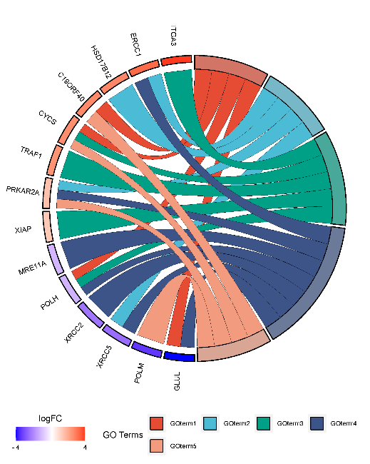
ITGA3 | 0 | 0 | 1 | 0 | 0 | 3.53
CYCS | 1 | 0 | 1 | 0 | 1 | 2.24
PRKAR2A | 0 | 1 | 0 | 1 | 1 | 1.25
XIAP | 0 | 0 | 1 | 0 | 0 | 1.09
GLUL | 1 | 0 | 0 | 1 | 0 | -3.89
POLM | 0 | 0 | 0 | 0 | 1 | -3.31
XRCC2 | 0 | 0 | 0 | 1 | 0 | -2.34
XRCC5 | 0 | 1 | 0 | 1 | 0 | -2.46
DCLRE1C | 0 | 0 | 0 | 0 | 0 | -1.48
POLH | 1 | 0 | 1 | 1 | 0 | -1.27
MRE11A | 0 | 0 | 0 | 1 | 0 | -1.21

 |  |  |  |  |  |  | Note: please edit with inkscape if text trunked

 |  |  |  |  |  |  | Questions or Cooperations, Contact us:
 |  |  |  |  |  |  | ding@bioinformatics.com.cn

