SRplot 100
right data (top), qvalue from small to large |  | left data (bottom), qvalue from big to small |  | SRplot - Science & Research plot
 |  |  |  | https://www.bioinformatics.com.cn/plot_basic_left_right_bar_plot_100_en
pathway | qvalue | pathway | qvalue
HIF-1 signaling pathway | 4.72E-08 | Fatty acid biosynthesis | 0.0467958 | 输出示例图
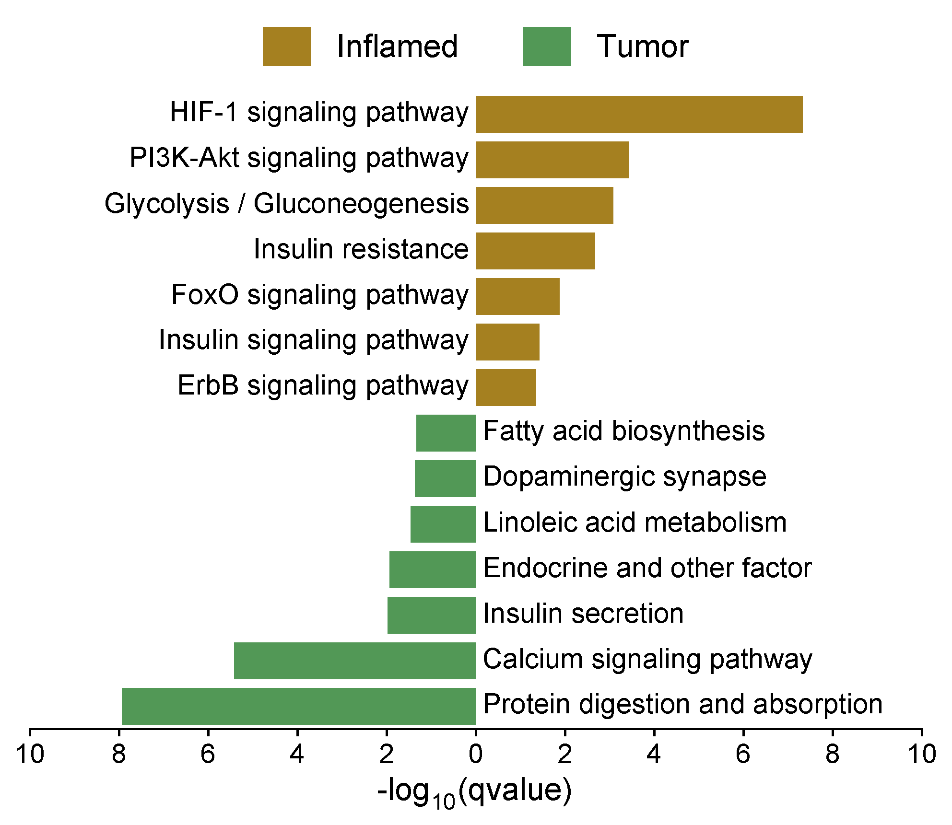
PI3K-Akt signaling pathway | 0.0003725 | Dopaminergic synapse | 0.04350386
Glycolysis / Gluconeogenesis | 0.000849109 | Linoleic acid metabolism | 0.03474885
Insulin resistance | 0.002150607 | Endocrine and other factor | 0.01163136
FoxO signaling pathway | 0.01347178 | Insulin secretion | 0.01048817
Insulin signaling pathway | 0.03787553 | Calcium signaling pathway | 3.80E-06
ErbB signaling pathway | 0.04519473 | Protein digestion and absorption | 1.16E-08

 |  |  |  | Note:

 |  |  |  | Questions or Cooperations, Contact us:
 |  |  |  | ding@bioinformatics.com.cn

