微生信示例105

Term | Count | Pvalue | group | 微生信，您身边的数据分析，可视化专家
defense response to virus | 14 | 0.000633109 | BP | https://www.bioinformatics.com.cn/plot_basic_hbar_with_pvalue_color_plot_105
chemotaxis | 30 | 0.000709891 | BP
taxis | 30 | 0.000709891 | BP | 输出示例图
Vitamin digestion and absorption | 7 | 0.001055697 | BP
DNA dealkylation | 4 | 0.001107496 | CC
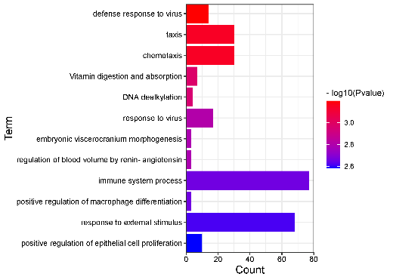
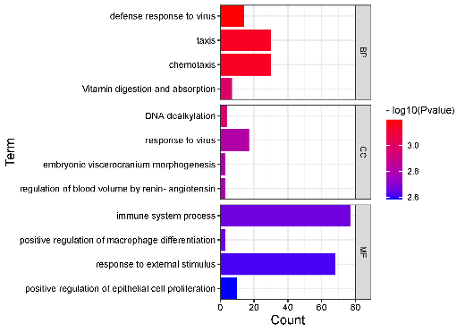
response to virus | 17 | 0.00156416 | CC
regulation of blood volume by renin-angiotensin | 3 | 0.001633093 | CC
embryonic viscerocranium morphogenesis | 3 | 0.001633093 | CC
immune system process | 77 | 0.002190928 | MF
positive regulation of macrophage differentiation | 3 | 0.002204063 | MF
response to external stimulus | 68 | 0.002432746 | MF
positive regulation of epithelial cell proliferation | 10 | 0.002601625 | MF

 |  |  |  |  | 不分面 | 分面

 |  |  |  | B站：渐变颜色条形图绘制视频教程

 |  |  |  | 注意：输入可以是前3列或者4列（第4列可选，若有，则分面显示）

 |  |  |  | 使用问题，或数据分析合作意向
 |  |  |  | 请微信扫码联系我们

