SRplot_105
Term | Count | Pvalue | group | SRplot - Science & Research plot
defense response to virus | 14 | 0.000633109 | BP | https://www.bioinformatics.com.cn/plot_basic_hbar_with_pvalue_color_plot_105_en
chemotaxis | 30 | 0.000709891 | BP
taxis | 30 | 0.000709891 | BP | 输出示例图
Vitamin digestion and absorption | 7 | 0.001055697 | BP
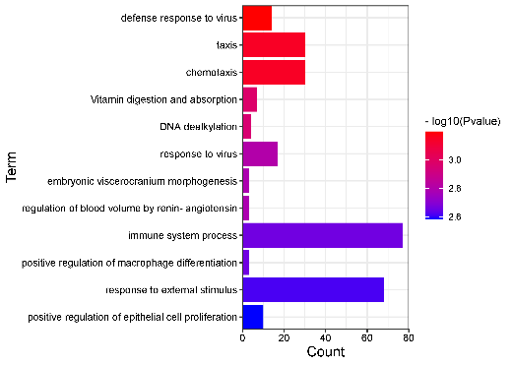
DNA dealkylation | 4 | 0.001107496 | CC
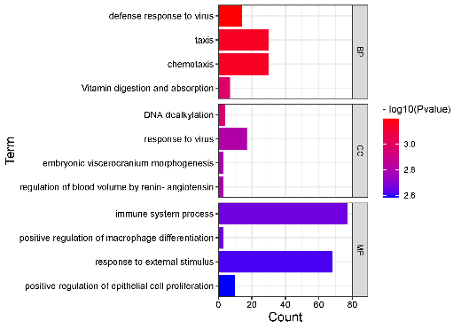
response to virus | 17 | 0.00156416 | CC
regulation of blood volume by renin-angiotensin | 3 | 0.001633093 | CC
embryonic viscerocranium morphogenesis | 3 | 0.001633093 | CC
immune system process | 77 | 0.002190928 | MF
positive regulation of macrophage differentiation | 3 | 0.002204063 | MF
response to external stimulus | 68 | 0.002432746 | MF
positive regulation of epithelial cell proliferation | 10 | 0.002601625 | MF

 |  |  |  |  | no facet | facet

 |  |  |  | note：Input can be 3 or 4 columns (the last column is optional, for facet).

 |  |  |  | Contact us
 |  |  |  | ding@bioinformatics.com.cn

