微生信示例106
samples | class | gene1 | 微生信，您身边的数据分析，可视化专家
s1 | normal | 8.08546 | https://www.bioinformatics.com.cn/plot_basic_one_or_multi_ROC_curve_plot_106
s2 | normal | 36.4996
s3 | normal | 23.1931 | 输出示例图
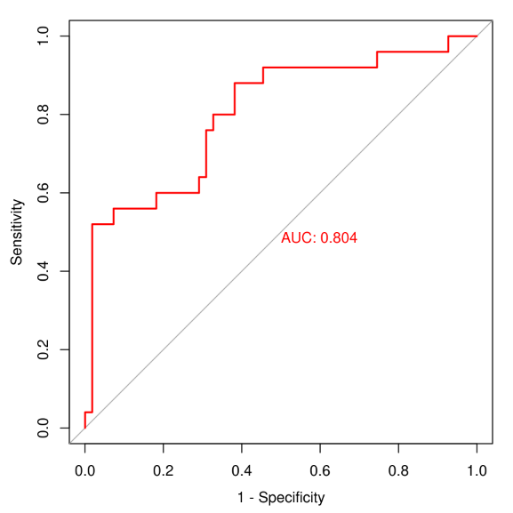
s4 | normal | 8.88542
s5 | normal | 134.674
s6 | normal | 8.3918
s7 | normal | 67.2381
s8 | normal | 46.0105
s9 | normal | 4.03943
s10 | normal | 28.1131
s11 | normal | 3.78167
s12 | normal | 2.72315
s13 | normal | 23.0618
s14 | normal | 16.7906
s15 | normal | 32.4794
s16 | normal | 7.98531
s17 | normal | 14.5888
s18 | normal | 3.40681
s19 | normal | 16.0963
s20 | normal | 2.96413
s21 | normal | 16.7417
s22 | normal | 15.6128
s23 | normal | 12.0141
s24 | normal | 32.795 | 注意：
s25 | normal | 2.43862
s26 | normal | 25.4252
s27 | normal | 2.54633 | 使用问题，或数据分析合作意向
s28 | normal | 19.5769 | 请微信扫码联系我们

s29 | normal | 29.7448
s30 | normal | 8.8284
s31 | normal | 2.97729
s32 | normal | 2.54129
s33 | normal | 10.9918
s34 | normal | 4.77927
s35 | normal | 8.98646
s36 | normal | 19.7784
s37 | normal | 30.0788
s38 | normal | 3.05413
s39 | normal | 2.22838
s40 | normal | 1.96133
s41 | normal | 11.8116
s42 | normal | 3.96491
s43 | normal | 5.38013
s44 | normal | 3.71521
s45 | normal | 192.642
s46 | normal | 14.93
s47 | normal | 1126.96
s48 | normal | 5.66777
s49 | normal | 7.49325
s50 | normal | 10.5888
s51 | normal | 13.0938
s52 | normal | 11.2543
s53 | normal | 14.6766
s54 | normal | 12.3063
s55 | normal | 0.21342
s56 | tumor | 0.582591
s57 | tumor | 19.8023
s58 | tumor | 5.5614
s59 | tumor | 0.671916
s60 | tumor | 6.57772
s61 | tumor | 3.07555
s62 | tumor | 1.73524
s63 | tumor | 0.555075
s64 | tumor | 8.23385
s65 | tumor | 5.4884
s66 | tumor | 1.29554
s67 | tumor | 55.9071
s68 | tumor | 0.27717
s69 | tumor | 0.194104
s70 | tumor | 1.48274
s71 | tumor | 2.51242
s72 | tumor | 0.852066
s73 | tumor | 8.36551
s74 | tumor | 10.4175
s75 | tumor | 0.720927
s76 | tumor | 5.14154
s77 | tumor | 0.33078
s78 | tumor | 5.48064
s79 | tumor | 0.633559
s80 | tumor | 1.666

