SRplot_107
Chromosome | Position | SRplot - Science & Research plot
chr1 | 127543325 | https://www.bioinformatics.com.cn/plot_basic_SNP_density_by_CMplot_107_en
chr1 | 276085685
chr1 | 80191628 | Output figure
chr1 | 268290054
chr1 | 904084
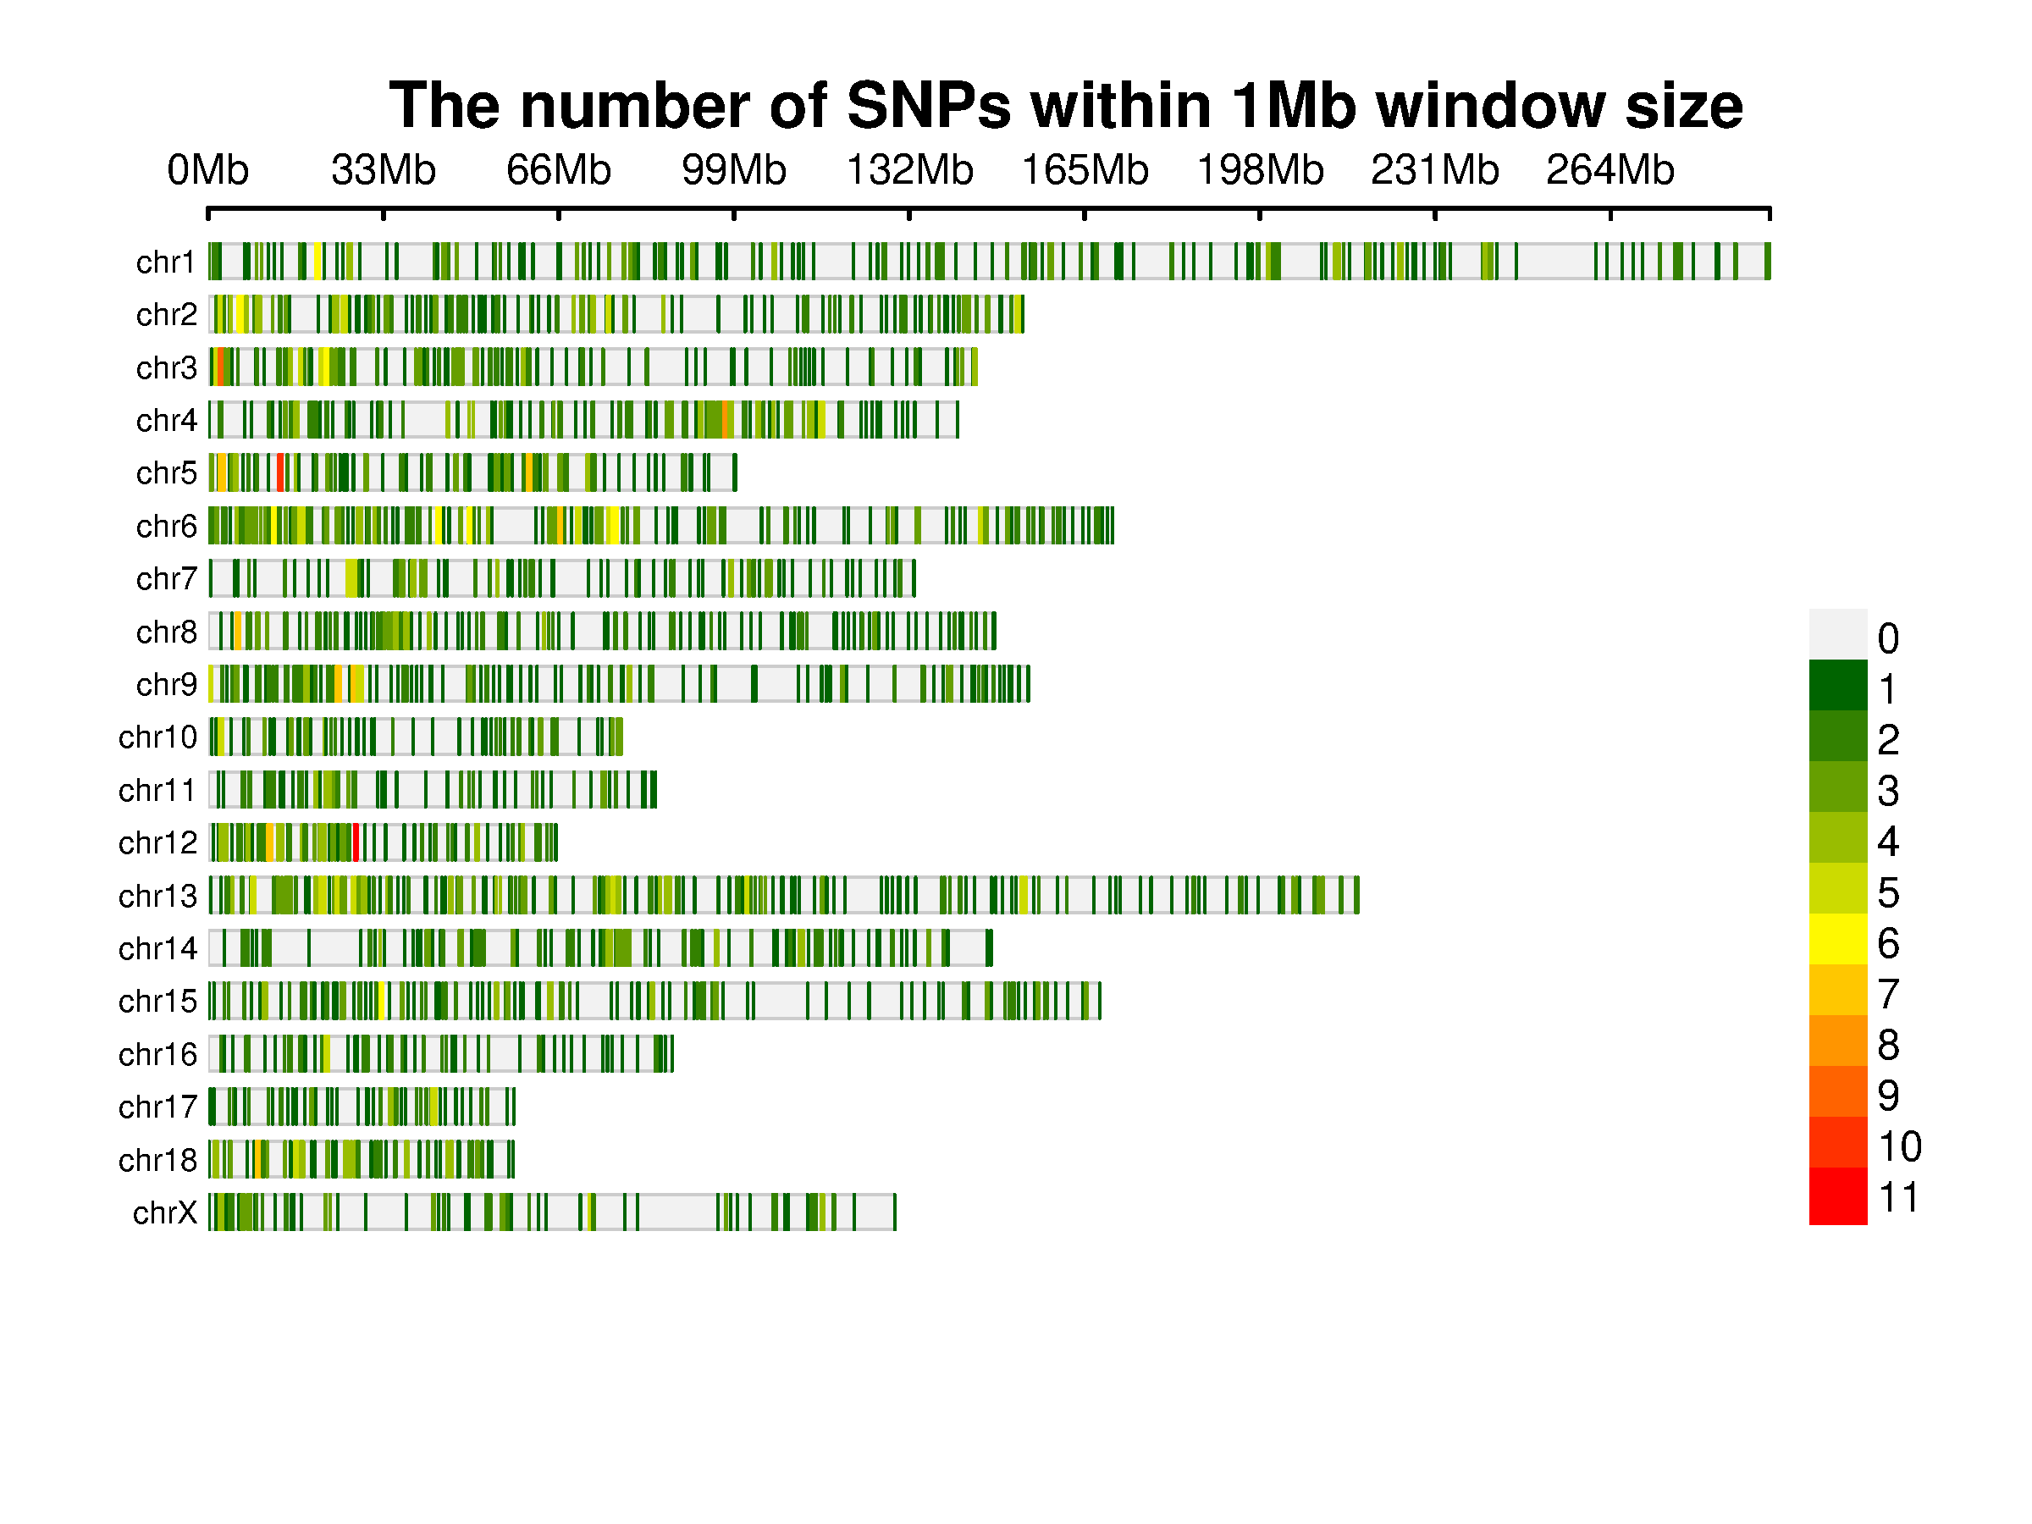
chr1 | 106774852
chr1 | 17800311
chr1 | 102560516
chr1 | 75568934
chr1 | 79348308
chr1 | 284263052
chr1 | 277079321
chr1 | 279597299
chr1 | 61123943
chr1 | 287305168
chr1 | 283803510
chr1 | 11251160
chr1 | 9066862
chr1 | 273208871
chr1 | 201607808
chr1 | 287615077
chr1 | 20675517
chr1 | 18093776
chr1 | 79514041 | Note:
chr1 | 106398749
chr1 | 150347631
chr1 | 188735536
chr1 | 7577289 | Questions or Cooperations, Contact us:
chr1 | 78137141 | ding@bioinformatics.com.cn
chr1 | 135258477
chr1 | 73440634
chr1 | 293851755
chr1 | 137145264
chr1 | 170934764
chr1 | 20413414
chr1 | 270037708
chr1 | 78368061
chr1 | 42504045
chr1 | 277321614
chr1 | 273342527
chr1 | 54970729
chr1 | 26574423
chr1 | 111167051
chr1 | 75357352
chr1 | 212859045
chr1 | 144421447
chr1 | 121503190
chr1 | 246185148
chr1 | 164167566
chr1 | 201305076
chr1 | 183566457
chr1 | 171621341
chr1 | 70785544
chr1 | 28527801
chr1 | 84076684
chr1 | 130551409
chr1 | 181512688
chr1 | 103999387
chr1 | 164337685
chr1 | 147615256
chr1 | 219681820
chr1 | 85004659
chr1 | 197831138
chr1 | 172000460
chr1 | 195736828
chr1 | 213705556
chr1 | 59410105
chr1 | 126002007
chr1 | 85533641
chr1 | 210446407
chr1 | 91738443
chr1 | 71823851
chr1 | 150467501
chr1 | 181232132
chr1 | 276698747
chr1 | 199360544
chr1 | 107880441
chr1 | 88269616
chr1 | 54020864
chr1 | 217832423
chr1 | 1179241
chr1 | 81003913
chr1 | 78081518
chr1 | 154695600
chr1 | 200751733
chr1 | 185554910
chr1 | 224781387
chr1 | 293313550
chr1 | 53752181
chr1 | 96461959
chr1 | 9977821
chr1 | 138010682
chr1 | 26387229
chr1 | 158275568
chr1 | 145129
chr1 | 200360000
chr1 | 131842793
chr1 | 86112365
chr1 | 20280765
chr1 | 233882781
chr1 | 75575730
chr1 | 232689682
chr1 | 9164556
chr1 | 174197962
chr1 | 42645213
chr1 | 35456724
chr1 | 153746229
chr1 | 20536638
chr1 | 127020288
chr1 | 199367616
chr1 | 199658989
chr1 | 155646194
chr1 | 91210697
chr1 | 167417941
chr1 | 110065751
chr1 | 240399139
chr1 | 239932913
chr1 | 239960608
chr1 | 69488159
chr1 | 46838378
chr1 | 263313173
chr1 | 266206768
chr1 | 218673324
chr1 | 218046227
chr1 | 228863937
chr1 | 114030438
chr1 | 240471094
chr1 | 95721959
chr1 | 167041169
chr1 | 231860989
chr1 | 160918802
chr1 | 226804163
chr1 | 230991956
chr1 | 45331414
chr1 | 106254654
chr1 | 97456732
chr1 | 133684766
chr1 | 58727127
chr1 | 44836600
chr1 | 153416179
chr1 | 20916489
chr1 | 241575484
chr1 | 225660061
chr1 | 166374057
chr1 | 224086964
chr1 | 50544043
chr1 | 44413371
chr1 | 46716248
chr1 | 92026911
chr1 | 227296921
chr1 | 138322529
chr1 | 69365714
chr1 | 2223405
chr1 | 43108077
chr1 | 158962311
chr1 | 106346592
chr1 | 17145287
chr1 | 13863087
chr1 | 158911005
chr1 | 199988679
chr1 | 124608439
chr1 | 212291078
chr1 | 140808014
chr1 | 197466035
chr1 | 24281556
chr1 | 89177762
chr1 | 241141458
chr1 | 1696558
chr1 | 26895963
chr1 | 70690801
chr1 | 240501337
chr1 | 80466383
chr1 | 66369125
chr1 | 20882153
chr1 | 212055000
chr1 | 33610995
chr1 | 56636833
chr1 | 65803185
chr1 | 21773991
chr1 | 224480215
chr1 | 46670921
chr1 | 224822914
chr1 | 232290820
chr1 | 240154299
chr1 | 209560031
chr1 | 69466328
chr1 | 242543843
chr1 | 213753557
chr1 | 91078075
chr1 | 156995792
chr1 | 261278049
chr1 | 196436408
chr1 | 6864801
chr1 | 113908751
chr1 | 155172683
chr1 | 102416776
chr1 | 135624971
chr1 | 137561023
chr1 | 220982046
chr1 | 44120519
chr1 | 25297329
chr1 | 218620287
chr1 | 212422151
chr1 | 214864772
chr1 | 241304390
chr1 | 223015857
chr1 | 193565501
chr1 | 26737643
chr1 | 112034398
chr1 | 12494256
chr1 | 45275006
chr1 | 79539145
chr2 | 117040292
chr2 | 101126051
chr2 | 129321020
chr2 | 29715674
chr2 | 5662915
chr2 | 144695323
chr2 | 112135212
chr2 | 14634295
chr2 | 9518993
chr2 | 112846921
chr2 | 136162357
chr2 | 8650194
chr2 | 23997785
chr2 | 72343520
chr2 | 153324765
chr2 | 148970876
chr2 | 122898447
chr2 | 96034442
chr2 | 142817586
chr2 | 15367856
chr2 | 117978954
chr2 | 7038709
chr2 | 137580487
chr2 | 104668689
chr2 | 68754391
chr2 | 152899315
chr2 | 134130411
chr2 | 115670542
chr2 | 137486751
chr2 | 12173043
chr2 | 47051708
chr2 | 39791570
chr2 | 121016645
chr2 | 48082732
chr2 | 40943993
chr2 | 146536774
chr2 | 85554195
chr2 | 110902121
chr2 | 45487678
chr2 | 130810653
chr2 | 23583376
chr2 | 12180095
chr2 | 89098006
chr2 | 26586888
chr2 | 23737803
chr2 | 5971042
chr2 | 13643230
chr2 | 33340135
chr2 | 7106752
chr2 | 146874624
chr2 | 152259186
chr2 | 72289093
chr2 | 9279060
chr2 | 39414585
chr2 | 6010384
chr2 | 118864075
chr2 | 78242134
chr2 | 78675210
chr2 | 136168405
chr2 | 25753588
chr2 | 27974941
chr2 | 152116457
chr2 | 152697748
chr2 | 152996957
chr2 | 75677112
chr2 | 142136584
chr2 | 139079809
chr2 | 25913521
chr2 | 13348722
chr2 | 49831623
chr2 | 8613131
chr2 | 68904265
chr2 | 64152035
chr2 | 146920787
chr2 | 2080169
chr2 | 4115622
chr2 | 106082295
chr2 | 102341942
chr2 | 54252630
chr2 | 52166304
chr2 | 58266255
chr2 | 130326559
chr2 | 55749526
chr2 | 131158085
chr2 | 70071461
chr2 | 80146939
chr2 | 135835795
chr2 | 72189257
chr2 | 30561327
chr2 | 30229184
chr2 | 7161659
chr2 | 31972931
chr2 | 75300477
chr2 | 34515599
chr2 | 6724112
chr2 | 60768601
chr2 | 5862092
chr2 | 74880366
chr2 | 25221141
chr2 | 14820900
chr2 | 6248874
chr2 | 6229308
chr2 | 23643139
chr2 | 5911418
chr2 | 51470741
chr2 | 2849412
chr2 | 75643734
chr2 | 32035895
chr2 | 31092223
chr2 | 33926926
chr2 | 44805891
chr2 | 9814843
chr2 | 133148469
chr2 | 68766646
chr2 | 68840574
chr2 | 6001435
chr2 | 143379227
chr2 | 2760994
chr2 | 31051370
chr2 | 78408710
chr2 | 25581584
chr2 | 151280730
chr2 | 25500261
chr2 | 2303177
chr2 | 71774587
chr2 | 24450814
chr2 | 28417741
chr2 | 62138858
chr2 | 7261815
chr2 | 138599483
chr2 | 121236787
chr2 | 76238084
chr2 | 37300904
chr2 | 20728039
chr2 | 127665448
chr2 | 24409565
chr2 | 42536378
chr2 | 1632514
chr2 | 38363047
chr2 | 9124477
chr2 | 140279127
chr2 | 42736193
chr2 | 60697190
chr2 | 126685989
chr2 | 61042360
chr2 | 41854818
chr2 | 71674827
chr2 | 12274180
chr2 | 45965301
chr2 | 142204060
chr2 | 5804436
chr2 | 54682434
chr2 | 22889669
chr2 | 141293693
chr2 | 131272121
chr2 | 14567788
chr2 | 72612617
chr2 | 75123937
chr2 | 65593801
chr2 | 5865122
chr2 | 85660782
chr2 | 143080906
chr2 | 85778190
chr2 | 70614528
chr2 | 141293685
chr2 | 85598055
chr2 | 4386305
chr2 | 149346557
chr2 | 42993264
chr2 | 24434667
chr2 | 65763839
chr2 | 87315816
chr2 | 47433128
chr2 | 143358520
chr2 | 2835009
chr2 | 70658338
chr2 | 34458786
chr2 | 75217262
chr2 | 4370736
chr2 | 24420698
chr2 | 144578874
chr2 | 33442758
chr2 | 53528978
chr2 | 3068485
chr2 | 48559929
chr2 | 6224480
chr2 | 1505795
chr2 | 3918341
chr2 | 151157827
chr2 | 50945070
chr3 | 133137430
chr3 | 2731328
chr3 | 139167648
chr3 | 3912410
chr3 | 99002608
chr3 | 141945236
chr3 | 15644435
chr3 | 41267915
chr3 | 144276592
chr3 | 39073675
chr3 | 110509738
chr3 | 125127871
chr3 | 59131236
chr3 | 120361350
chr3 | 70261762
chr3 | 141067935
chr3 | 140552724
chr3 | 22974384
chr3 | 43433750
chr3 | 41334463
chr3 | 39770018
chr3 | 14343485
chr3 | 109523563
chr3 | 10552016
chr3 | 138953290
chr3 | 17451839
chr3 | 144426700
chr3 | 124712059
chr3 | 21132001
chr3 | 5583650
chr3 | 17256644
chr3 | 72019570
chr3 | 21654308
chr3 | 144033556
chr3 | 101300058
chr3 | 15395877
chr3 | 115739378
chr3 | 22668832
chr3 | 55333372
chr3 | 26921176
chr3 | 141859180
chr3 | 110656237
chr3 | 23237581
chr3 | 98439768
chr3 | 25082989
chr3 | 133780975
chr3 | 3169914
chr3 | 106045146
chr3 | 79165944
chr3 | 17510212
chr3 | 54435309
chr3 | 1215938
chr3 | 134077950
chr3 | 4528019
chr3 | 56285861
chr3 | 109483182
chr3 | 21101748
chr3 | 13128038
chr3 | 90070529
chr3 | 112386008
chr3 | 31832539
chr3 | 18225985
chr3 | 24995257
chr3 | 2903738
chr3 | 33400369
chr3 | 23101445
chr3 | 144611175
chr3 | 143933651
chr3 | 19362225
chr3 | 59723848
chr3 | 13509382
chr3 | 17459337
chr3 | 37029556
chr3 | 15426124
chr3 | 46072977
chr3 | 27589642
chr3 | 44596690
chr3 | 47910615
chr3 | 25512583
chr3 | 21600916
chr3 | 31783033
chr3 | 43533572
chr3 | 64664749
chr3 | 51594954
chr3 | 93523683
chr3 | 17613625
chr3 | 70597401
chr3 | 22375751
chr3 | 22847323
chr3 | 1236994
chr3 | 52943837
chr3 | 53212877
chr3 | 2193159
chr3 | 1667009
chr3 | 1571520
chr3 | 2143113
chr3 | 2470002
chr3 | 572921
chr3 | 61931806
chr3 | 52877747
chr3 | 5655906
chr3 | 45149636
chr3 | 46750977
chr3 | 56637672
chr3 | 1875135
chr3 | 18899360
chr3 | 74349451
chr3 | 50301756
chr3 | 47423646
chr3 | 59648823
chr3 | 40680133
chr3 | 9294645
chr3 | 60590256
chr3 | 125061224
chr3 | 9101412
chr3 | 2814625
chr3 | 54073793
chr3 | 2281843
chr3 | 2090031
chr3 | 128828851
chr3 | 24656428
chr3 | 60110338
chr3 | 8979858
chr3 | 46879263
chr3 | 15352897
chr3 | 26961797
chr3 | 53144108
chr3 | 59759358
chr3 | 57138700
chr3 | 57061919
chr3 | 21418656
chr3 | 82706409
chr3 | 91764853
chr3 | 22009708
chr3 | 42505668
chr3 | 50061825
chr3 | 39975981
chr3 | 3805108
chr3 | 111558953
chr3 | 50736753
chr3 | 14790931
chr3 | 69978649
chr3 | 2044175
chr3 | 23991270
chr3 | 58233893
chr3 | 82488899
chr3 | 114037450
chr3 | 113150369
chr3 | 131455985
chr3 | 27536198
chr3 | 67455696
chr3 | 74235886
chr3 | 22081019
chr3 | 47124321
chr4 | 72483462
chr4 | 105658955
chr4 | 123798867
chr4 | 102026309
chr4 | 11933471
chr4 | 12162595
chr4 | 46943315
chr4 | 65031166
chr4 | 137214181
chr4 | 141046259
chr4 | 2567027
chr4 | 86795504
chr4 | 72283886
chr4 | 62886968
chr4 | 54096483
chr4 | 86167378
chr4 | 19539984
chr4 | 98416879
chr4 | 57075337
chr4 | 60609580
chr4 | 107255888
chr4 | 124976716
chr4 | 32587013
chr4 | 58827461
chr4 | 76048507
chr4 | 70954281
chr4 | 2103258
chr4 | 92375959
chr4 | 6835002
chr4 | 78824155
chr4 | 55973722
chr4 | 113324181
chr4 | 101201819
chr4 | 113023621
chr4 | 11400867
chr4 | 22486137
chr4 | 101029620
chr4 | 23475075
chr4 | 15477781
chr4 | 26553765
chr4 | 122932138
chr4 | 45034332
chr4 | 83263478
chr4 | 112110149
chr4 | 97951453
chr4 | 21096159
chr4 | 77556036
chr4 | 86880938
chr4 | 79130626
chr4 | 97060507
chr4 | 98604363
chr4 | 104580814
chr4 | 77324205
chr4 | 104466799
chr4 | 95837770
chr4 | 106500043
chr4 | 162055
chr4 | 84244516
chr4 | 87341889
chr4 | 87117834
chr4 | 62690746
chr4 | 87215842
chr4 | 34232741
chr4 | 119066337
chr4 | 95166332
chr4 | 69189647
chr4 | 106531753
chr4 | 125904128
chr4 | 83017894
chr4 | 94287696
chr4 | 96181533
chr4 | 92867204
chr4 | 97109605
chr4 | 14451535
chr4 | 126598647
chr4 | 8189740
chr4 | 96306216
chr4 | 32307398
chr4 | 98018232
chr4 | 96775029
chr4 | 16921499
chr4 | 16865287
chr4 | 45101379
chr4 | 64939205
chr4 | 65065507
chr4 | 30808379
chr4 | 14300738
chr4 | 53429825
chr4 | 14616283
chr4 | 16311365
chr4 | 15927026
chr4 | 97464045
chr4 | 112042118
chr4 | 112044601
chr4 | 109873799
chr4 | 93699814
chr4 | 45211922
chr4 | 94222322
chr4 | 98660311
chr4 | 95978599
chr4 | 66129891
chr4 | 108757796
chr4 | 103835318
chr4 | 103808782
chr4 | 89481241
chr4 | 55093596
chr4 | 66408157
chr4 | 100678073
chr4 | 49128801
chr4 | 97984389
chr4 | 92936429
chr4 | 118816704
chr4 | 25963430
chr4 | 100716972
chr4 | 115785520
chr4 | 56460981
chr4 | 27361209
chr4 | 20341646
chr4 | 49947150
chr4 | 13493396
chr4 | 36657338
chr4 | 36727818
chr4 | 108853666
chr4 | 55075267
chr4 | 133011964
chr4 | 97359165
chr4 | 49078869
chr4 | 103324203
chr4 | 20059303
chr4 | 106465289
chr4 | 131718122
chr4 | 115567760
chr4 | 103752234
chr4 | 97744245
chr4 | 115148298
chr4 | 113777621
chr4 | 109226266
chr4 | 115062031
chr4 | 119422195
chr4 | 22171938
chr4 | 94669340
chr4 | 65958782
chr4 | 45159626
chr4 | 113089899
chr4 | 31955857
chr4 | 129426518
chr4 | 16479034
chr4 | 108951437
chr4 | 109824142
chr4 | 82580436
chr4 | 49905254
chr4 | 130748042
chr4 | 78866068
chr4 | 89993998
chr4 | 79660150
chr4 | 114438618
chr4 | 91800909
chr4 | 106387978
chr4 | 19048036
chr4 | 93859005
chr4 | 97169707
chr4 | 92801188
chr4 | 25995426
chr4 | 115708659
chr5 | 85746494
chr5 | 619919
chr5 | 41943218
chr5 | 80236112
chr5 | 48859152
chr5 | 71708395
chr5 | 60283744
chr5 | 41344467
chr5 | 24805114
chr5 | 67157159
chr5 | 44879754
chr5 | 84239362
chr5 | 89880081
chr5 | 23845495
chr5 | 6572655
chr5 | 1926285
chr5 | 13540809
chr5 | 9063445
chr5 | 72248203
chr5 | 7578249
chr5 | 94219219
chr5 | 56022559
chr5 | 54087323
chr5 | 89302382
...

