微生信示例111

Term | Category | Count | Pvalue | Regulation | 微生信，您身边的数据分析，可视化专家
trans-synaptic signaling | BP | 90 | 8.23E-80 | Up | https://www.bioinformatics.com.cn/plot_basic_GO_KEGG_bar_dot_plot_111
chemical synaptic transmission | BP | 90 | 3.48E-79 | Up
nervous system development | BP | 208 | 3.61E-72 | Up | 输出示例图
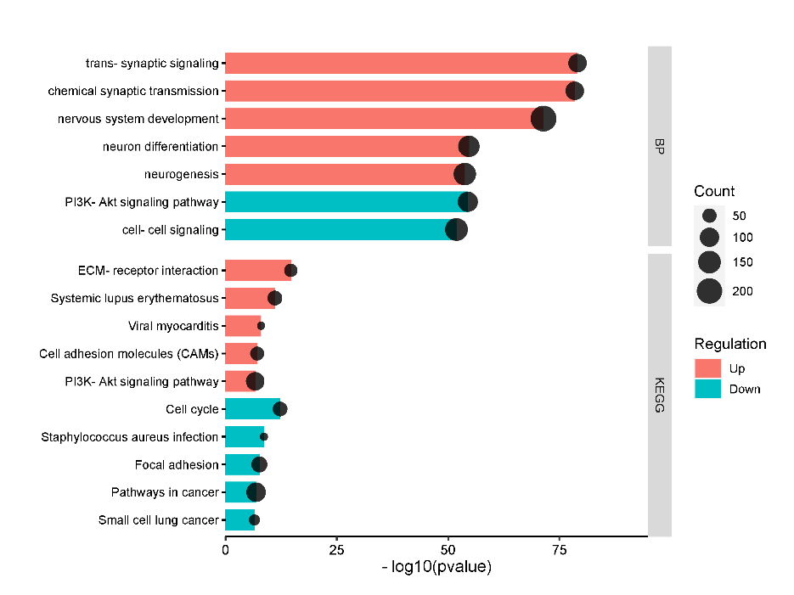
neuron differentiation | BP | 129 | 2.12E-55 | Up
neurogenesis | BP | 145 | 1.74E-54 | Up
PI3K-Akt signaling pathway | BP | 111 | 3.65E-55 | Down
cell-cell signaling | BP | 152 | 1.31E-52 | Down
ECM-receptor interaction | KEGG | 44 | 2.19E-15 | Up
Systemic lupus erythematosus | KEGG | 54 | 8.40E-12 | Up
Viral myocarditis | KEGG | 28 | 1.09E-08 | Up
Cell adhesion molecules (CAMs) | KEGG | 48 | 7.86E-08 | Up
PI3K-Akt signaling pathway | KEGG | 90 | 2.20E-07 | Up
Cell cycle | KEGG | 53 | 5.75E-13 | Down
Staphylococcus aureus infection | KEGG | 28 | 2.45E-09 | Down
Focal adhesion | KEGG | 63 | 2.54E-08 | Down
Pathways in cancer | KEGG | 102 | 1.41E-07 | Down
Small cell lung cancer | KEGG | 33 | 3.20E-07 | Down

 |  |  |  |  | B站：GO BP，CC，MF，KEGG pathway富集结果上调和下调放一起的点线图视频教程

 |  |  |  |  | 注意：

 |  |  |  |  | 使用问题，或数据分析合作意向
 |  |  |  |  | 请微信扫码联系我们

