微生信示例113
condition | len | supp | 微生信，您身边的数据分析，可视化专家
low | 4.2 | groupA | https://www.bioinformatics.com.cn/plot_basic_ggviolin_plot_113
low | 11.5 | groupA
low | 7.3 | groupA | 输出示例图
low | 5.8 | groupA
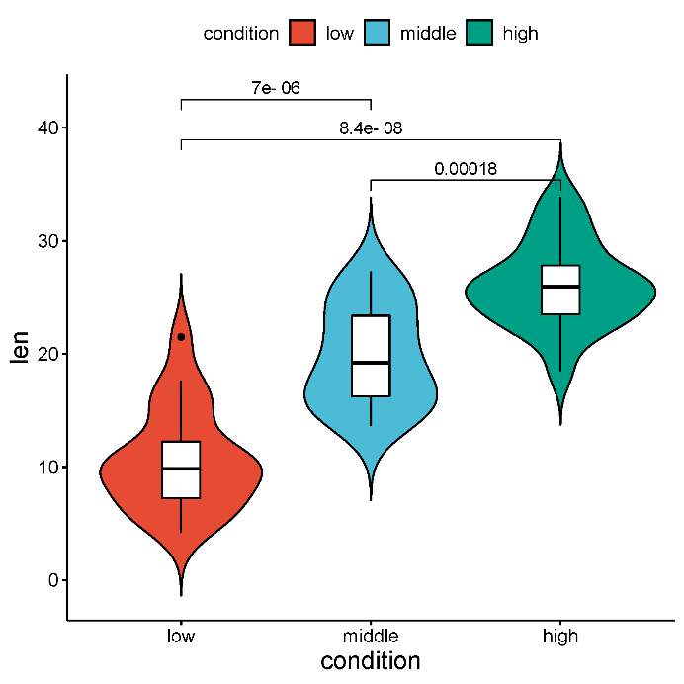
low | 6.4 | groupA
low | 10 | groupA
low | 11.2 | groupA
low | 11.2 | groupA
low | 5.2 | groupA
low | 7 | groupA
middle | 16.5 | groupA
middle | 16.5 | groupA
middle | 15.2 | groupA
middle | 17.3 | groupA
middle | 22.5 | groupA
middle | 17.3 | groupA
middle | 13.6 | groupA
middle | 14.5 | groupA
middle | 18.8 | groupA
middle | 15.5 | groupA
high | 23.6 | groupA
high | 18.5 | groupA
high | 33.9 | groupA
high | 25.5 | groupA | 注意：
high | 26.4 | groupA
high | 32.5 | groupA
high | 26.7 | groupA | 使用问题，或数据分析合作意向
high | 21.5 | groupA | 请微信扫码联系我们

high | 23.3 | groupA
high | 29.5 | groupA
low | 15.2 | groupB
low | 21.5 | groupB
low | 17.6 | groupB
low | 9.7 | groupB
low | 14.5 | groupB
low | 10 | groupB
low | 8.2 | groupB
low | 9.4 | groupB
low | 16.5 | groupB
low | 9.7 | groupB
middle | 19.7 | groupB
middle | 23.3 | groupB
middle | 23.6 | groupB
middle | 26.4 | groupB
middle | 20 | groupB
middle | 25.2 | groupB
middle | 25.8 | groupB
middle | 21.2 | groupB
middle | 14.5 | groupB
middle | 27.3 | groupB
high | 25.5 | groupB
high | 26.4 | groupB
high | 22.4 | groupB
high | 24.5 | groupB
high | 24.8 | groupB
high | 30.9 | groupB
high | 26.4 | groupB
high | 27.3 | groupB
high | 29.4 | groupB
high | 23 | groupB

