微生信示例114
dose | value | group | 微生信，您身边的数据分析，可视化专家
0.5ml | 4.2 | male | https://www.bioinformatics.com.cn/plot_advanced_vertical_horizontal_violin_plot_114
0.5ml | 11.5 | male
0.5ml | 7.3 | male | 输出示例图
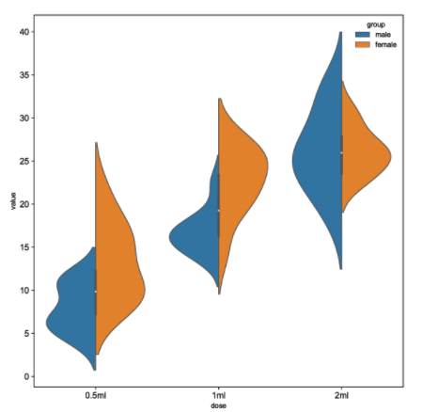
0.5ml | 5.8 | male
0.5ml | 6.4 | male
0.5ml | 10 | male
0.5ml | 11.2 | male
0.5ml | 11.2 | male
0.5ml | 5.2 | male
0.5ml | 7 | male
0.5ml | 15.2 | female
0.5ml | 21.5 | female
0.5ml | 17.6 | female
0.5ml | 9.7 | female
0.5ml | 14.5 | female
0.5ml | 10 | female
0.5ml | 8.2 | female
0.5ml | 9.4 | female
0.5ml | 16.5 | female
0.5ml | 9.7 | female
1ml | 16.5 | male
1ml | 16.5 | male
1ml | 15.2 | male
1ml | 17.3 | male | 注意：
1ml | 22.5 | male
1ml | 17.3 | male
1ml | 13.6 | male | 使用问题，或数据分析合作意向
1ml | 14.5 | male | 请微信扫码联系我们

1ml | 18.8 | male
1ml | 15.5 | male
1ml | 19.7 | female
1ml | 23.3 | female
1ml | 23.6 | female
1ml | 26.4 | female
1ml | 20 | female
1ml | 25.2 | female
1ml | 25.8 | female
1ml | 21.2 | female
1ml | 14.5 | female
1ml | 27.3 | female
2ml | 23.6 | male
2ml | 18.5 | male
2ml | 33.9 | male
2ml | 25.5 | male
2ml | 26.4 | male
2ml | 32.5 | male
2ml | 26.7 | male
2ml | 21.5 | male
2ml | 23.3 | male
2ml | 29.5 | male
2ml | 25.5 | female
2ml | 26.4 | female
2ml | 22.4 | female
2ml | 24.5 | female
2ml | 24.8 | female
2ml | 30.9 | female
2ml | 26.4 | female
2ml | 27.3 | female
2ml | 29.4 | female
2ml | 23 | female

