微生信示例115

region | sample | 微生信，您身边的数据分析，可视化专家
A1C | 2.2 | https://www.bioinformatics.com.cn/plot_basic_cerebro_colormap_115
AMY | 3.8
CB | 3.2 | 输出示例图
DFC | 4.1
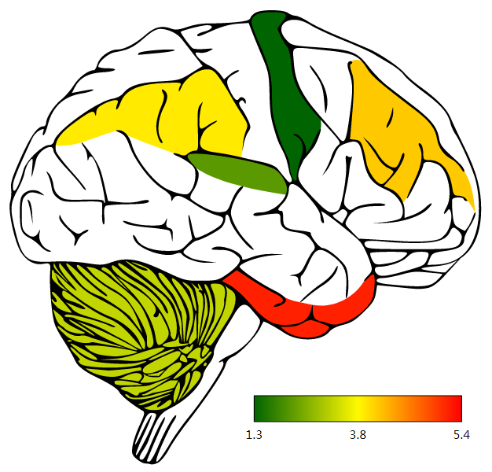
HIP | 2.7
IPC | 3.9
ITC | 5.2
M1C | 1.3
MFC | 5.4

 |  | 注意：

 |  | 使用问题，或数据分析合作意向
 |  | 请微信扫码联系我们

