SRplot_115
region | sample | SRplot - Science & Research plot
A1C | 2.2 | https://www.bioinformatics.com.cn/plot_basic_cerebro_colormap_115_en
AMY | 3.8
CB | 3.2 | Output figure
DFC | 4.1
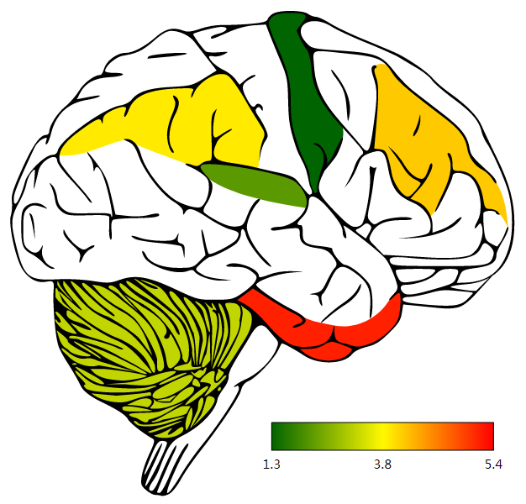
HIP | 2.7
IPC | 3.9
ITC | 5.2
M1C | 1.3
MFC | 5.4

 |  | Note:

 |  | Questions or Cooperations, Contact us:
 |  | ding@bioinformatics.com.cn

