微生信示例122
MUC20 | 4.4822176636 | 微生信，您身边的数据分析，可视化专家
TDRD15 | 5.5340795897 | https://www.bioinformatics.com.cn/basic_local_go_pathway_enrichment_analysis_122
RASD1 | 2.3447839432
HLA-F | 3.2747451096 | 输出示例图
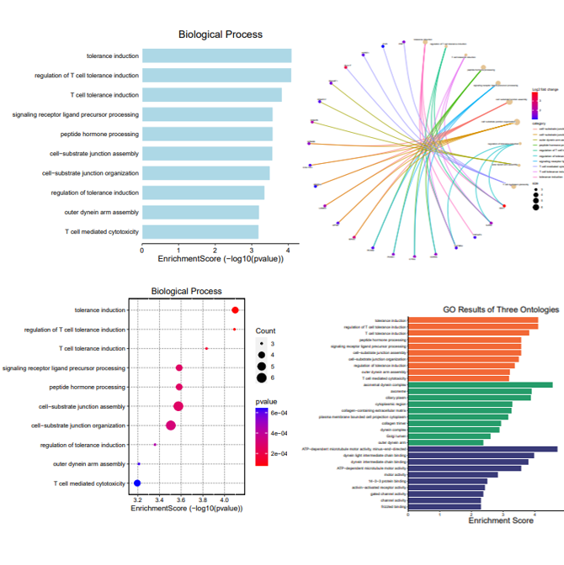
MYOC | 2.6593469945
F5 | 2.5504569738
HP | 2.6800170417
PRPS1 | 2.1562328552
ADIPOQ | 3.5990777077
ERAP2 | 2.2274244782
SYBU | 2.128016385
RFX2 | 1.8698838323
TBC1D17 | 1.9028668623
RASD1 | 1.8075409128
TEKT5 | 2.2623402839
BEX1 | 2.5380940157
ZDHHC11 | 1.8419233181
DNAH5 | 2.0538854936
SRD5A3 | 2.0092256126
RBFOX1 | 1.9775039055
HSF2 | 2.0307409986
KANSL2 | 1.9277066449
IDO1 | 3.8889510627 | B站：GO、Pathway富集分析操作及结果说明视频教程
COL28A1 | 2.7680084626
PLVAP | 1.5418842964 | 注意：第一列为基因symbol，第二列为log2fc，正值表示上调，负值表示下调
TEX101 | 1.6998115486
SLC1A7 | 2.2382829391
CHGB | 1.506322712 | 使用问题，或数据分析合作意向
ZDHHC11 | 1.3248218233 | 请微信扫码联系我们

TRIM22 | 1.3699701585
OR1B1 | 1.94329824
ETNPPL | 2.1771808912
FLRT2 | 2.0631651132
HS3ST2 | 2.8571350726
C1orf159 | 1.6669470296
SAMHD1 | 1.2922523811
FGFBP2 | 2.017614727
GNPTAB | 1.5216891829
TACC3 | 2.1363237044
TNFRSF19 | 1.5684417969
EMC1 | 1.6967154898
XDH | 1.6942104677
ADGRG1 | 1.4541919726
KCNQ2 | 1.6827192407
XRRA1 | 1.6892410489
APOD | 1.2080792786
SEPTIN9 | 1.501882481
COL28A1 | 2.1138995996
ACVR1C | 2.0936570042
DPYSL5 | 2.3137058826
MAFB | 1.1380075343
IL2RA | 1.8679617233
ABCA9 | 1.288290667
ZNF354B | 1.4384215814
MAP1LC3B | 1.6412806218
ZDHHC11B | 1.1149856866
CDHR2 | 1.6515557528
POLR3E | 1.7338473995
SMIM2 | 1.4134647054
EOGT | 1.2927189823
FMC1 | 1.1420676267
HPRT1 | 1.2450842211
TMEM64 | 2.1479776611
PVR | 1.0224489824
ICOSLG | 1.3698141568
CNTNAP3 | 1.8019197999
COLEC12 | 1.1011964349
SLITRK4 | 2.0040306711
PRF1 | 1.5129883831
DENND4B | 1.8202430242
TBX15 | 1.7467198202
ANTXRL | 1.4443183254
INHBB | 2.3984761456
BAX | 1.9722720368
NEDD9 | 1.3304188252
NFKBIA | 1.0139874476
ZNF84 | 2.1242516885
LAMA3 | 1.8960148825
CORIN | 1.7024985051
ITIH5 | 1.2571030748
STK17A | 1.2336307681
MFAP3L | 1.2344773951
ARFGAP3 | 1.8749960535
MAFB | 1.5145714137
C17orf67 | 1.6401789807
MED16 | 1.35779891
TMCC3 | 1.2737952884
XKR4 | 1.3596570197
LRRC4C | 1.8976783249
WNT5B | 2.1143666183
GABRA3 | 1.7735232047
TMCC3 | 1.3666431761
WASHC2A | 1.1859109419
NEGR1 | 1.0632965598
MUC6 | 1.0145416668
DNAH3 | 2.1610407318
SHISAL2B | 1.286207987
TFPI | 1.1318057156
PIGG | 1.1282406202
TNFAIP3 | 1.138317217
CACNA1H | 1.1020696862
TOM1 | 1.0165989696
DSC1 | 1.1134112085
KIAA0040 | 1.1040027175
CNTNAP3C | 1.3753197888
TPPP | 1.0327987083
TGFBR2 | 1.1874557531
SCARA5 | 1.130397231
KIAA1328 | 1.4329744855
PVR | 1.0684753072
SCN10A | 1.9501013427
MEGF6 | 1.0520653668
CD84 | 1.67961332
TG | 1.1027445463
DNAH2 | 2.5496346718
BMP2 | 1.0597853892
DNAH17 | 1.1982255442
MTCL1 | 1.0599658044
SLA | 1.0642336549
MMP14 | 1.0497757293
STAG3 | 2.4593524446
CTSG | 1.6900219446
OXSM | 1.1347514049
IGSF10 | 1.0219998503
ALOXE3 | 2.259124762
NDE1 | 1.0279133893
GPT2 | 1.0827309734
C3AR1 | 1.2351376264
PCSK1 | 1.5689227293
IGSF10 | 1.0976799162
MYH11 | 1.063715301
ABCG4 | 2.8324700616
PRRG4 | 1.1329907386
DACH1 | 1.1843555359
UVSSA | 1.0813580833
MYO10 | 1.0122851663
CES4A | 1.9708050532
FIBCD1 | 2.1837080159
MUC2 | 1.353649082
CNGA1 | 2.0746664037
TPBG | 1.0424185317
TMCC3 | 1.0506702902
PCLO | 1.2594564466
SLIT3 | 1.005090252
CHGB | 1.0317882091
VAV3 | 1.0185894649
GRIN2D | 1.7523311448
NRXN3 | 1.2474584377
COL17A1 | 1.1700379665
ANKRD65 | 1.2859398809
PTPN7 | 1.4230725093
RYR1 | 1.5908697934
TSHZ2 | 1.0287998801
SLC37A2 | 1.2274990572
ADGRD1 | 1.0020856675
METTL24 | 1.1314108272
ARHGAP11A | 1.1323202571
KLHDC4 | 1.0013867537
HSDL1 | 1.0170689385
CROCC2 | 1.0906143905
DNAAF1 | 1.4392802641
MARCHF1 | 1.9666039689
LILRB3 | 1.8386036946
KCNK13 | 1.8799008785
THRB | 2.1089488451
WNT8A | 1.4211679931
VCAM1 | 1.0667280369
MARCO | 1.4105305991
GPM6B | 1.6187127872
ADAMTS9 | 1.0108142939
APLNR | 1.0932651044
CNTNAP3 | 5.5201121129
GPR37L1 | 2.1568140439
CPAMD8 | 1.2102057176
RGPD2 | 2.4494918725
FLRT2 | 1.0505683721
MEGF6 | 1.5287463731
PCSK2 | 1.2031652376
MYH11 | 1.5086190224
FAM155A | 1.0431463595
CTTNBP2 | 1.3590579865
CREM | 1.0727954014
GSC | 1.1136909405
SEC61A2 | 1.2398352427
RIPOR2 | 1.743791613
HEXD | 1.2347473678
ARHGAP44 | 1.0804130015
CCDC183 | 1.1525246719
C10orf120 | 2.5631953992
SLC22A7 | 1.730819355
PTCH2 | 1.3680402262
RGS16 | 1.1753900853
EXPH5 | 1.496671282
NACAD | 1.0174221212
ABCA10 | 1.0596777571
CD84 | 1.1747802694
IFI6 | 1.0323765026
ERICH4 | 1.1981435479
CEP152 | 1.0669333979
PRLR | 1.4958649955

