微生信示例124

Description | Gene Count | 微生信，您身边的数据分析，可视化专家
Glioma | 10 | https://www.bioinformatics.com.cn/plot_basic_pathway_enrichment_categorical_bar_plot_124
Acute myeloid leukemia | 9
Thyroid cancer | 6 | 输出示例图
Chronic myeloid leukemia | 10
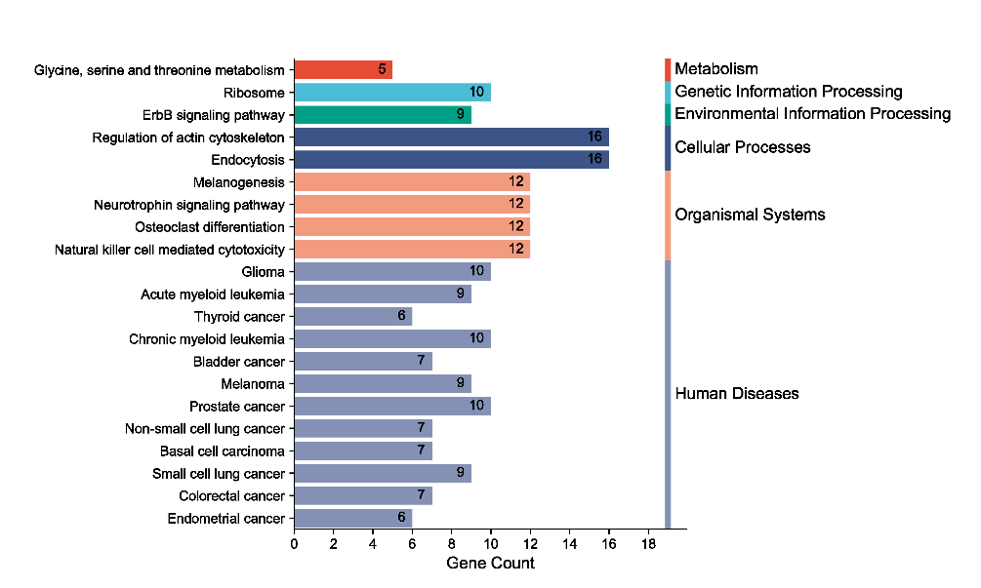
Melanogenesis | 12
Bladder cancer | 7
Melanoma | 9
Prostate cancer | 10
Ribosome | 10
Non-small cell lung cancer | 7
Basal cell carcinoma | 7
Glycine, serine and threonine metabolism | 5
Neurotrophin signaling pathway | 12
Small cell lung cancer | 9
Osteoclast differentiation | 12
ErbB signaling pathway | 9
Colorectal cancer | 7
Natural killer cell mediated cytotoxicity | 12
Regulation of actin cytoskeleton | 16
Endometrial cancer | 6
Endocytosis | 16
 |  | B站：KEGG pathway通路一级分类汇总图在线绘制视频教程

 |  | 注意：1，若pathway名字太长，显示不全，调整图片宽度

 |  | 使用问题，或数据分析合作意向
 |  | 请微信扫码联系我们

