SRplot_124
Description | Gene Count | SRplot - Science & Research plot
Glioma | 10 | https://www.bioinformatics.com.cn/plot_basic_pathway_enrichment_categorical_bar_plot_124_en
Acute myeloid leukemia | 9
Thyroid cancer | 6 | Output figure
Chronic myeloid leukemia | 10
Melanogenesis | 12
Bladder cancer | 7
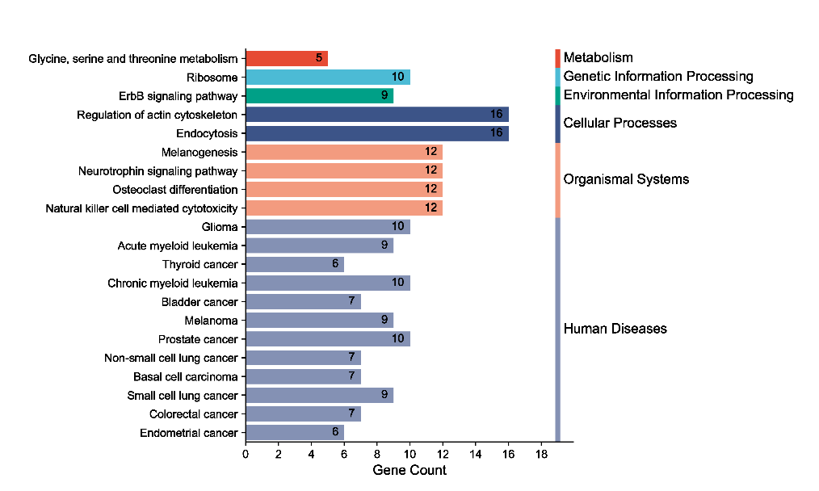
Melanoma | 9
Prostate cancer | 10
Ribosome | 10
Non-small cell lung cancer | 7
Basal cell carcinoma | 7
Glycine, serine and threonine metabolism | 5
Neurotrophin signaling pathway | 12
Small cell lung cancer | 9
Osteoclast differentiation | 12
ErbB signaling pathway | 9
Colorectal cancer | 7
Natural killer cell mediated cytotoxicity | 12
Regulation of actin cytoskeleton | 16
Endometrial cancer | 6
Endocytosis | 16

 |  | Note:

 |  | Questions or Cooperations, Contact us:
 |  | ding@bioinformatics.com.cn

