SRplot_125
>one gcg-cgtgcgcggaaggagccaaggtgaagttgtagcagtgtgtcagaagaggtgcgtggca-ccat-gctgtcccccgaggcgga-gcgggtgctgcggtacctgg-tcgaagta-g-aggagttg----- >two --gacttgtg-gaaccta-cttcc-tgaaaata-acct-tctgtcctccgagct-ctccgcacccgtggatgacctgctcc-cgtacacagatgttgcc--acctggctggatgaatgtccgaat-gaagcg

SRplot - Science & Research plot
https://www.bioinformatics.com.cn/plot_basic_paired_sequence_alignment_on_sparials_plot_125_en

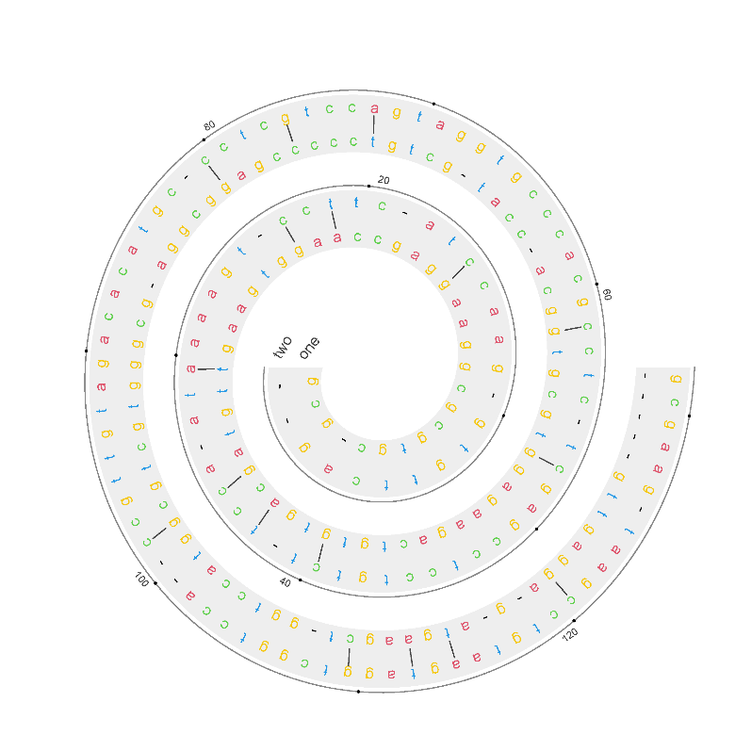
Output figure | Questions or Cooperations, Contact us:
 | ding@bioinformatics.com.cn

注意：输入4行，且序列长度必需一样

