微生信示例126

Category | Count | Pvalue | 微生信，您身边的数据分析，可视化专家
mitotic G2/M transition checkpoint | 3 | 0.001011625 | https://www.bioinformatics.com.cn/plot_basic_enrichment_bubble_plot_126
nuclear envelope organization | 3 | 0.001650591
cytokine-mediated signaling pathway | 8 | 0.001775954 | 输出示例图
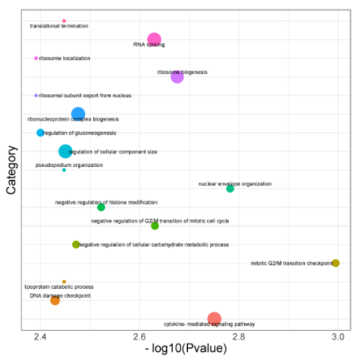
ribosome biogenesis | 7 | 0.002109535
negative regulation of G2/M transition of mitotic cell cycle | 3 | 0.002340295
RNA splicing | 8 | 0.002347829
negative regulation of histone modification | 3 | 0.003003413
ribonucleoprotein complex biogenesis | 8 | 0.003341317
negative regulation of cellular carbohydrate metabolic process | 3 | 0.003373943
regulation of cellular component size | 8 | 0.003543221
translational termination | 2 | 0.003567355
pseudopodium organization | 2 | 0.003567355
lipoprotein catabolic process | 2 | 0.003567355
DNA damage checkpoint | 4 | 0.00371896
regulation of gluconeogenesis | 3 | 0.003980174
ribosomal subunit export from nucleus | 2 | 0.004060995
ribosome localization | 2 | 0.004060995

 |  |  | 注意： 首行不能有特殊符号，或者直接用这里的首行

 |  |  | 使用问题，或数据分析合作意向
 |  |  | 请微信扫码联系我们

