微生信示例139

pathway | pvalue | Number of genes | 微生信，您身边的数据分析，可视化专家
RNA transport | 1.56E-05 | 15 | https://www.bioinformatics.com.cn/plot_basic_dual_x_axis_go_pathway_bar_line_plot_139
Epstein-Barr virus infection | 2.70E-05 | 16
HTLV-I infection | 0.000153244 | 17 | 输出示例图
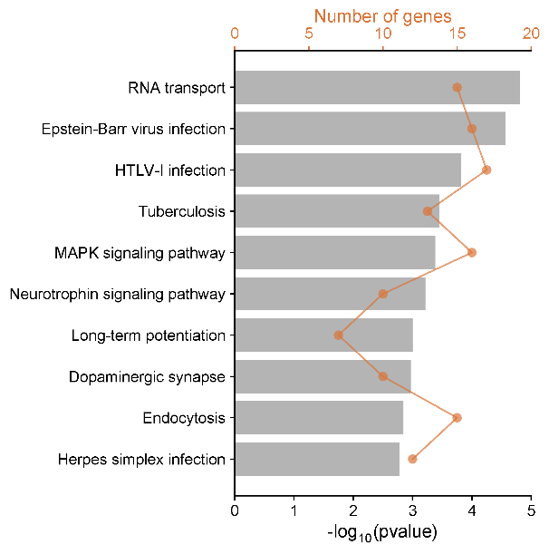
Tuberculosis | 0.000351414 | 13
MAPK signaling pathway | 0.000418667 | 16
Neurotrophin signaling pathway | 0.000613617 | 10
Long-term potentiation | 0.000999919 | 7
Dopaminergic synapse | 0.001078881 | 10
Endocytosis | 0.001441064 | 15
Herpes simplex infection | 0.001677957 | 12

 |  |  | 使用问题，或数据分析合作意向
 |  |  | 请微信扫码联系我们

