微生信示例143
gene | cell | p | cor | 微生信，您身边的数据分析，可视化专家
YTHDF1 | B cells memory | 0.97729181724 | 0.0014748144744 | https://www.bioinformatics.com.cn/plot_basic_correlation_pvalue_triangle_heatmap_plot_143
YTHDF1 | Plasma cells | 0.47827334847 | -0.0367271137
YTHDF1 | T cells CD8 | 0.092053008336 | -0.087121153751 | 输出示例图
YTHDF1 | NK cells resting | 0.052454394815 | 0.10023173174
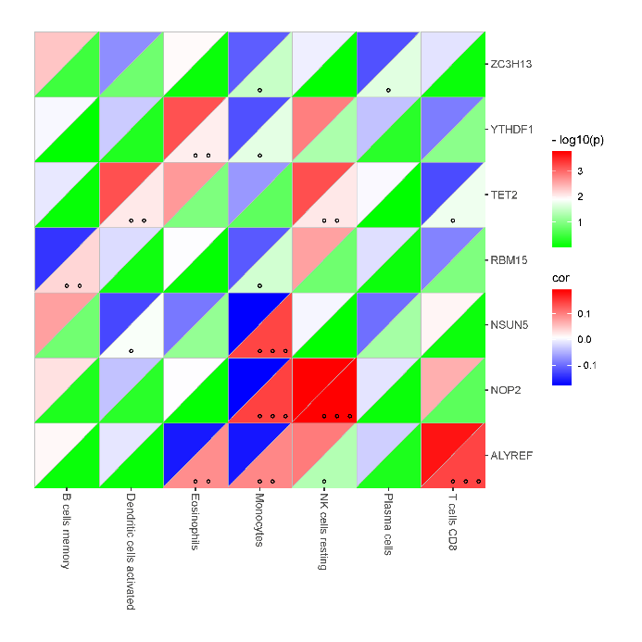
YTHDF1 | Monocytes | 0.020133867433 | -0.11996957649
YTHDF1 | Dendritic cells activated | 0.55985161029 | -0.030203150598
YTHDF1 | Eosinophils | 0.0095272770588 | 0.13372234369
NSUN5 | B cells memory | 0.1431271007 | 0.075757488092
NSUN5 | Plasma cells | 0.058512711867 | -0.097786245714
NSUN5 | T cells CD8 | 0.76594175297 | 0.015423086676
NSUN5 | NK cells resting | 0.98713094848 | 0.00083572212387
NSUN5 | Monocytes | 0.0005465501767 | -0.1776811722
NSUN5 | Dendritic cells activated | 0.014050144248 | -0.12673750403
NSUN5 | Eosinophils | 0.079105146843 | -0.090790140523
ZC3H13 | B cells memory | 0.34109453852 | 0.049295995484
ZC3H13 | Plasma cells | 0.021208944413 | -0.11896495943
ZC3H13 | T cells CD8 | 0.80889134019 | -0.01253076013
ZC3H13 | NK cells resting | 0.93668218686 | -0.0041160180505
ZC3H13 | Monocytes | 0.032799361013 | -0.11025851071
ZC3H13 | Dendritic cells activated | 0.14857965323 | -0.074742247632
ZC3H13 | Eosinophils | 0.83180366375 | 0.011004119066
RBM15 | B cells memory | 0.0064591088541 | -0.14041312182
RBM15 | Plasma cells | 0.76114836328 | -0.015748707681
RBM15 | T cells CD8 | 0.11228880713 | -0.082139001805
RBM15 | NK cells resting | 0.14745777975 | 0.074948787179 | 注：
RBM15 | Monocytes | 0.028192777002 | -0.11334128561
RBM15 | Dendritic cells activated | 0.72818225983 | -0.01800577954
RBM15 | Eosinophils | 0.91710810722 | 0.0053924855183
NOP2 | B cells memory | 0.58333972632 | 0.02841422785
NOP2 | Plasma cells | 0.82172718618 | -0.011674261743 | 使用问题，或数据分析合作意向
NOP2 | T cells CD8 | 0.20737536703 | 0.06525666698 | 请微信扫码联系我们

NOP2 | NK cells resting | 0.00016725101064 | 0.19318045937
NOP2 | Monocytes | 0.00051225157895 | -0.17856252539
NOP2 | Dendritic cells activated | 0.48222969317 | -0.036397838435
NOP2 | Eosinophils | 0.88804695026 | 0.0072938919659
ALYREF | B cells memory | 0.80019758967 | 0.013112797909
ALYREF | Plasma cells | 0.59259918764 | -0.027718291954
ALYREF | T cells CD8 | 0.00053578427503 | 0.17795215436
ALYREF | NK cells resting | 0.046590374637 | 0.10283414767
ALYREF | Monocytes | 0.0016900052794 | -0.16161651825
ALYREF | Dendritic cells activated | 0.84581523243 | -0.010075283943
ALYREF | Eosinophils | 0.0018613775122 | -0.16017342588
TET2 | B cells memory | 0.86884139323 | -0.0085557008364
TET2 | Plasma cells | 0.94652870527 | 0.0034748932397
TET2 | T cells CD8 | 0.01678779197 | -0.12342690636
TET2 | NK cells resting | 0.0087356220091 | 0.135240275
TET2 | Monocytes | 0.19512772702 | -0.06705087508
TET2 | Dendritic cells activated | 0.0089654707416 | 0.1347873603
TET2 | Eosinophils | 0.11491380771 | 0.081546000978

