微生信示例146

data | methazolamide | norcyclobenzaprine | milrinone | verteporfin | hydrocotarnine | corynanthine | phenelzine | mesoridazine | glibenclamide | diltiazem | 微生信，您身边的数据分析，可视化专家
ACE inhibitor | 1 | 1 | 0 | 0 | 0 | 0 | 0 | 1 | 1 | 0 | https://www.bioinformatics.com.cn/plot_basic_moA_matrix_with_top_right_bars_plot_146
Adrenergic receptor agonist | 0 | 1 | 0 | 0 | 0 | 0 | 0 | 0 | 0 | 1
Adrenergic receptor antagonist | 1 | 0 | 0 | 1 | 1 | 0 | 0 | 0 | 1 | 1 | 输出示例图
Antiprotozoal | 0 | 0 | -1 | 0 | 0 | 0 | 1 | 1 | 0 | 1
ATPase inhibitor | 0 | 0 | 0 | 0 | 1 | -1 | 0 | 0 | 0 | 0
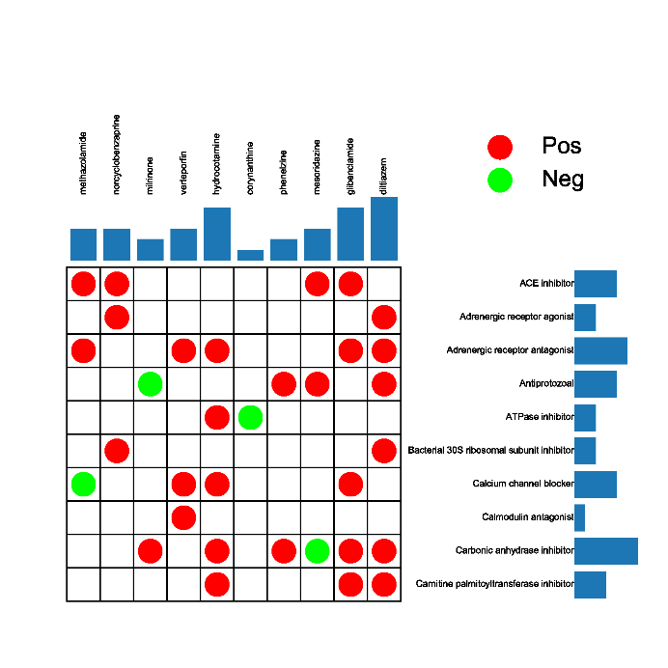
Bacterial 30S ribosomal subunit inhibitor | 0 | 1 | 0 | 0 | 0 | 0 | 0 | 0 | 0 | 1
Calcium channel blocker | -1 | 0 | 0 | 1 | 1 | 0 | 0 | 0 | 1 | 0
Calmodulin antagonist | 0 | 0 | 0 | 1 | 0 | 0 | 0 | 0 | 0 | 0
Carbonic anhydrase inhibitor | 0 | 0 | 1 | 0 | 1 | 0 | 1 | -1 | 1 | 1
Carnitine palmitoyltransferase inhibitor | 0 | 0 | 0 | 0 | 1 | 0 | 0 | 0 | 1 | 1

 |  |  |  |  |  |  |  |  |  |  | 注：

 |  |  |  |  |  |  |  |  |  |  | 使用问题，或数据分析合作意向
 |  |  |  |  |  |  |  |  |  |  | 请微信扫码联系我们

