微生信示例148
year | genre | box_office | 微生信，您身边的数据分析，可视化专家
1977 | Action | 2.9835205538 | https://www.bioinformatics.com.cn/plot_basic_streamgraph_plot_148
1977 | Adventure | 0.20877997902
1977 | Comedy | 0.51648154042 | 输出示例图
1977 | Drama | 2.5397648502
1978 | Action | 1.9151703508
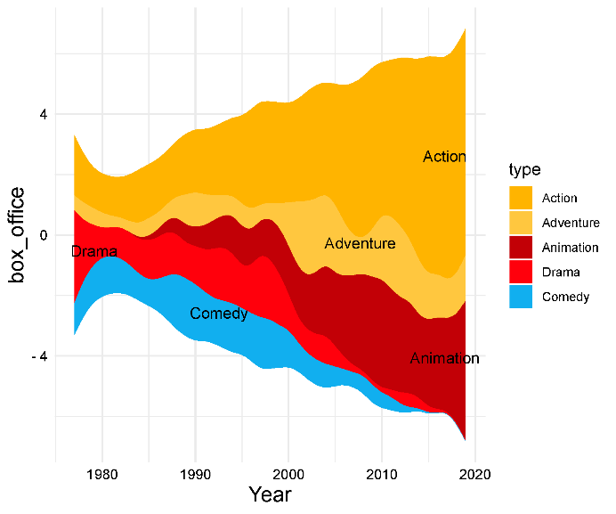
1978 | Adventure | 0.75982552011
1978 | Comedy | 1.0386009521
1978 | Drama | 0.2024703413
1979 | Action | 1.1479297114
1979 | Adventure | 0.31188310117
1979 | Comedy | 0.56325392128
1979 | Drama | 1.0245630664
1980 | Action | 1.7967075652
1980 | Adventure | 0.58255607153
1980 | Comedy | 1.1976574693
1981 | Action | 1.7525346649
1981 | Adventure | 0.1260207398
1981 | Comedy | 0.68768730178
1981 | Drama | 0.35482667848
1982 | Action | 0.77299873218
1982 | Comedy | 0.96256403679
1982 | Drama | 0.69364344316
1983 | Action | 1.3424062535
1983 | Adventure | 0.23153806878
1983 | Comedy | 0.52321694429 | 注：
1983 | Drama | 0.41528744633
1984 | Action | 3.2042987293
1984 | Comedy | 0.58148414023
1984 | Drama | 0.20290296902
1985 | Action | 0.96910566467 | 使用问题，或数据分析合作意向
1985 | Adventure | 1.0797008696 | 请微信扫码联系我们

1985 | Comedy | 0.20816445272
1985 | Drama | 0.96294694066
1986 | Action | 2.3694785487
1986 | Adventure | 0.25790038079
1986 | Animation | 0.19873112827
1986 | Comedy | 0.43348779562
1986 | Drama | 0.32567633973
1987 | Action | 1.205425801
1987 | Comedy | 0.83568475832
1987 | Drama | 1.2406565862
1988 | Action | 1.2680938066
1988 | Animation | 0.73450977416
1988 | Comedy | 2.370536948
1988 | Drama | 0.79023536197
1989 | Action | 2.8345939331
1989 | Adventure | 1.1832572187
1989 | Animation | 0.39285000902
1989 | Comedy | 0.97529586098
1990 | Action | 1.4343271015
1990 | Adventure | 1.3638434298
1990 | Comedy | 2.3291321509
1990 | Drama | 1.031346761
1991 | Action | 2.0923704947
1991 | Adventure | 0.57829724983
1991 | Animation | 0.63798542669
1991 | Comedy | 0.71223746097
1991 | Drama | 0.39482642628
1992 | Action | 1.8634515637
1992 | Adventure | 0.66930443386
1992 | Animation | 0.93974341544
1992 | Comedy | 0.7731648627
1992 | Drama | 1.1114852636
1993 | Action | 2.7839734344
1993 | Comedy | 1.2122776625
1993 | Drama | 1.3471779063
1994 | Action | 1.6675611712
1994 | Animation | 1.3468940305
1994 | Comedy | 2.0926867489
1994 | Drama | 1.5896432725
1995 | Action | 2.2658867313
1995 | Adventure | 1.0580884002
1995 | Animation | 1.2180880756
1995 | Comedy | 0.49461059472
1996 | Action | 4.4519680452
1996 | Adventure | 0.53745216641
1996 | Animation | 0.54524448916
1996 | Comedy | 0.91759338984
1997 | Action | 3.4396551459
1997 | Comedy | 1.9048728712
1997 | Drama | 3.0017397595
1998 | Action | 2.5007977831
1998 | Animation | 1.0649686465
1998 | Comedy | 1.5213432654
1998 | Drama | 0.76866614111
1999 | Action | 3.8902048023
1999 | Animation | 1.468482534
1999 | Comedy | 0.57136036536
1999 | Drama | 1.6158430439
2000 | Action | 2.495158136
2000 | Adventure | 0.65685074224
2000 | Animation | 0.53483275663
2000 | Comedy | 1.6048481666
2000 | Drama | 0.44554318717
2001 | Action | 2.3853099023
2001 | Adventure | 2.7479426634
2001 | Animation | 1.4980870772
2002 | Action | 3.9280692863
2002 | Adventure | 2.6423628239
2002 | Animation | 0.55775816095
2002 | Comedy | 0.53663710476
2002 | Drama | 0.59412750869
2003 | Action | 4.8179716773
2003 | Adventure | 1.6211392454
2003 | Animation | 1.2378879921
2003 | Comedy | 0.68870423003
2004 | Action | 1.8711550657
2004 | Adventure | 1.109672732
2004 | Animation | 2.6984516782
2004 | Comedy | 0.72895226883
2004 | Drama | 1.5465807138
2005 | Action | 3.0916452891
2005 | Adventure | 3.6720988523
2005 | Animation | 0.73186615464
2005 | Comedy | 0.50170699922
2006 | Action | 4.8081472028
2006 | Adventure | 0.75012947765
2006 | Animation | 1.96818278
2007 | Action | 5.6340673213
2007 | Adventure | 0.74575640606
2007 | Animation | 2.5140600691
2008 | Action | 4.9166527995
2008 | Animation | 2.1500430932
2008 | Comedy | 0.74628233259
2009 | Action | 7.6947624287
2009 | Adventure | 0.86777035132
2009 | Animation | 1.9826476076
2009 | Comedy | 0.57312778649
2010 | Action | 2.5601819651
2010 | Adventure | 2.3831233044
2010 | Animation | 4.1076474514
2011 | Action | 4.9286722852
2011 | Adventure | 2.2344461761
2011 | Animation | 1.4372908885
2011 | Comedy | 0.68814381482
2012 | Action | 6.5866442068
2012 | Adventure | 2.102744466
2012 | Animation | 1.8493057905
2013 | Action | 4.6813590046
2013 | Adventure | 1.0729738362
2013 | Animation | 3.353302391
2013 | Drama | 0.80967621839
2014 | Action | 6.9168246236
2014 | Adventure | 1.8017979289
2015 | Action | 10.671306525
2015 | Animation | 2.2071849768
2016 | Action | 4.7993518049
2016 | Adventure | 1.9349278998
2016 | Animation | 3.181593127
2017 | Action | 8.323786164
2017 | Animation | 1.1013661685
2018 | Action | 8.5830609172
2018 | Adventure | 0.68149934017
2018 | Animation | 1.29554629
2019 | Action | 7.0236853759
2019 | Adventure | 1.0748599139
2019 | Animation | 4.2463691072

