微生信示例150

label | sample1 | sample2 | sample3 | sample4 | sample5 | sample6 | sample7 | sample8 | sample9 | sample10 | sample11 | sample12 | sample13 | sample14 | sample15 | sample16 | sample17 | sample18 | sample19 | sample20 | sample21 | sample22 | sample23 | sample24 | sample25 | sample26 | sample27 | sample28 | sample29 | sample30 | sample31 | sample32 | sample33 | sample34 | sample35 | sample36 | sample37 | sample38 | sample39 | sample40 | sample41 | sample42 | sample43 | sample44 | sample45 | sample46 | sample47 | sample48 | sample49 | sample50 | sample51 | sample52 | sample53 | sample54 | sample55 | sample56 | sample57 | sample58 | sample59 | sample60 | sample61 | sample62 | sample63 | sample64 | sample65 | sample66 | sample67 | sample68 | sample69 | sample70 | sample71 | sample72 | sample73 | sample74 | sample75 | sample76 | sample77 | sample78 | sample79 | sample80 | sample81 | sample82 | sample83 | sample84 | sample85 | sample86 | sample87 | sample88 | sample89 | sample90 | sample91 | sample92 | sample93 | sample94 | sample95 | sample96 | sample97 | sample98 | sample99 | sample100
SDHB 17% | 5 | 5 | 5 | 5 | 4 | 4 | 4 | 4 | 4 | 4 | 4 | 4 | 4 | 4 | 4 | 4 | 4 | 0 | 0 | 0 | 0 | 0 | 0 | 0 | 0 | 0 | 0 | 0 | 0 | 0 | 0 | 0 | 0 | 0 | 0 | 0 | 0 | 0 | 0 | 0 | 0 | 0 | 0 | 0 | 0 | 0 | 0 | 0 | 0 | 0 | 0 | 0 | 0 | 0 | 0 | 0 | 0 | 0 | 0 | 0 | 0 | 0 | 0 | 0 | 0 | 0 | 0 | 0 | 0 | 0 | 0 | 0 | 0 | 0 | 0 | 0 | 0 | 0 | 0 | 0 | 0 | 0 | 0 | 0 | 0 | 0 | 0 | 0 | 0 | 0 | 0 | 0 | 0 | 0 | 0 | 0 | 0 | 0 | 0 | 0
SDHA 4% | 0 | 0 | 0 | 0 | 0 | 0 | 4 | 4 | 4 | 4 | 4 | 4 | 4 | 4 | 4 | 4 | 4 | 4 | 4 | 4 | 4 | 4 | 4 | 4 | 4 | 4 | 4 | 4 | 4 | 4 | 4 | 4 | 4 | 4 | 4 | 0 | 0 | 0 | 0 | 0 | 0 | 0 | 0 | 0 | 0 | 0 | 0 | 0 | 0 | 0 | 0 | 0 | 0 | 0 | 0 | 0 | 0 | 0 | 0 | 0 | 0 | 0 | 0 | 0 | 0 | 0 | 0 | 0 | 0 | 0 | 0 | 0 | 0 | 0 | 0 | 0 | 0 | 0 | 0 | 0 | 0 | 0 | 0 | 0 | 0 | 0 | 0 | 0 | 0 | 0 | 0 | 0 | 0 | 0 | 0 | 0 | 0 | 0 | 0 | 0
SDHC 11% | 3 | 3 | 3 | 3 | 3 | 3 | 3 | 3 | 3 | 3 | 3 | 3 | 3 | 3 | 3 | 3 | 4 | 4 | 4 | 4 | 4 | 4 | 4 | 4 | 4 | 4 | 4 | 4 | 4 | 4 | 4 | 4 | 4 | 4 | 4 | 0 | 0 | 0 | 0 | 0 | 0 | 0 | 0 | 0 | 0 | 0 | 0 | 0 | 0 | 0 | 0 | 0 | 0 | 0 | 0 | 0 | 0 | 0 | 0 | 0 | 0 | 1 | 1 | 1 | 1 | 1 | 1 | 1 | 1 | 1 | 1 | 1 | 1 | 1 | 1 | 1 | 1 | 1 | 1 | 0 | 0 | 0 | 0 | 0 | 0 | 0 | 0 | 0 | 0 | 0 | 0 | 0 | 0 | 0 | 0 | 0 | 0 | 0 | 0 | 0
SDHD 22% | 0 | 0 | 0 | 0 | 0 | 0 | 4 | 4 | 4 | 4 | 4 | 4 | 4 | 4 | 4 | 4 | 4 | 4 | 4 | 4 | 4 | 4 | 4 | 4 | 4 | 4 | 4 | 4 | 4 | 4 | 4 | 4 | 4 | 4 | 4 | 0 | 0 | 0 | 0 | 0 | 0 | 0 | 0 | 0 | 0 | 0 | 0 | 0 | 0 | 0 | 0 | 0 | 0 | 0 | 2 | 2 | 2 | 2 | 2 | 2 | 2 | 2 | 2 | 2 | 2 | 2 | 2 | 0 | 0 | 0 | 0 | 0 | 0 | 0 | 0 | 0 | 0 | 0 | 0 | 0 | 0 | 0 | 0 | 0 | 0 | 0 | 0 | 0 | 0 | 0 | 0 | 0 | 0 | 0 | 0 | 0 | 0 | 0 | 0 | 0

微生信，您身边的数据分析，可视化专家
https://www.bioinformatics.com.cn/plot_basic_cohort_types_plot_150

输出示例图

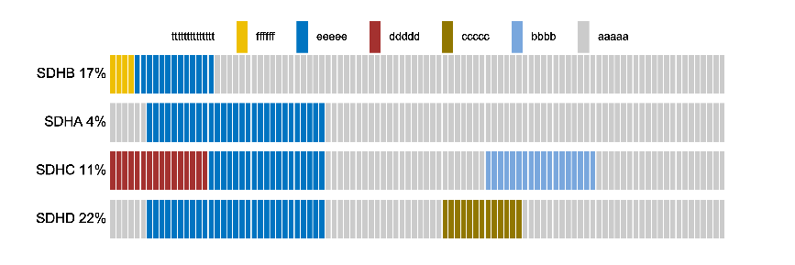

注：

使用问题，或数据分析合作意向
请微信扫码联系我们

