微生信示例179
gene | rank | score | 待标注基因 | 微生信，您身边的数据分析，可视化专家
Osbpl1a | 253 | 33664.8136 |  | https://www.bioinformatics.com.cn/plot_basic_rank_plot_with_labels_179
E230029C05Rik | 252 | 30268.5732 | Osbpl1a
Fgd6 | 251 | 29551.5617 | E230029C05Rik | 输出示例图
H2-DMa | 250 | 26501.988 | Fgd6
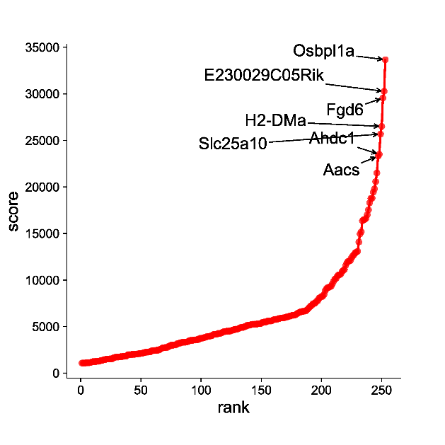
Slc25a10 | 249 | 25674.647 | H2-DMa
Ahdc1 | 248 | 23505.1915 | Slc25a10
Aacs | 247 | 23306.0908 | Ahdc1
Ephx1 | 246 | 21504.86 | Aacs
Mgrn1 | 245 | 20566.3179
C330002G04Rik | 244 | 19791.1525
Gm39885 | 243 | 19431.1489
Myo1e | 242 | 18788.2653
Ddi2 | 241 | 18765.7645
Myo9b | 240 | 18290.054
Arhgef3 | 239 | 17533.1894
Tex2 | 238 | 17002.9572
Gm32287 | 237 | 16617.3041
Nr2c1 | 236 | 16519.2002
Synpo | 235 | 16489.0955
Wee1 | 234 | 16358.8486
Gm46722 | 233 | 15184.1044
Fam102a | 232 | 14945.2168
Smap2 | 231 | 14082.111
Galnt2 | 230 | 13080.368 |  | 注意：
Plec | 229 | 13021.492
Myl12a | 228 | 12918.2718
Hsdl2 | 227 | 12734.8456
Ptp4a2 | 226 | 12593.5926 |  | 使用问题，或数据分析合作意向
Abcc3 | 225 | 12395.7898 |  | 请微信扫码联系我们
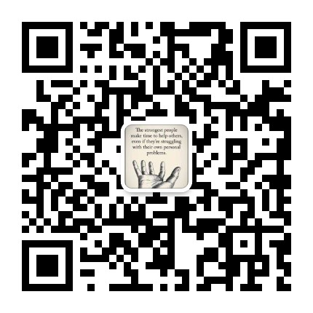
Inpp5k | 224 | 12095.8814
Pigv | 223 | 12042.087
Nceh1 | 222 | 12002.509
Dusp10 | 221 | 11820.2863
Lpar6 | 220 | 11550.688
Gm36301 | 219 | 11128.0852
Gm39273 | 218 | 11022.6462
Nfkbiz | 217 | 10893.6732
Sp3 | 216 | 10628.4104
C730002L08Rik | 215 | 10562.651
Grk2 | 214 | 10558.5061
Ehd1 | 213 | 10391.0382
Cdc42 | 212 | 10147.429
Zfp217 | 211 | 10099.1619
Gm37336 | 210 | 9856.2517
Rabep1 | 209 | 9597.975
Kifc3 | 208 | 9332.2981
Zmynd8 | 207 | 9292.7184
S100a10 | 206 | 9195.608
Gm16867 | 205 | 9183.5376
Gm35808 | 204 | 9046.7784
Pik3ap1 | 203 | 8834.9136
Mmd | 202 | 8442.93
Ankrd11 | 201 | 8254.02
Gm27222 | 200 | 8233.9575
Acat1 | 199 | 8128.35
Angptl4 | 198 | 8062.9174
Atp9a | 197 | 7784.9688
Gm51915 | 196 | 7737.9754
Mrtfb | 195 | 7555.426
Fosl2 | 194 | 7484.8
Enpp2 | 193 | 7469.098
Derl2 | 192 | 7296.2872
Mpeg1 | 191 | 7208.914
Chd2 | 190 | 7066.228
Gm36048 | 189 | 6934.8547
2900026A02Rik | 188 | 6814.3662
Prrc2b | 187 | 6684.955
Pgrmc2 | 186 | 6665.3413
Map3k1 | 185 | 6638.7526
Mup11 | 184 | 6620.8915
Mustn1 | 183 | 6613.64
Gm52122 | 182 | 6537.5035
Emilin1 | 181 | 6491.413
Mrto4 | 180 | 6422.7088
Map7d1 | 179 | 6318.1255
Paqr7 | 178 | 6253.198
Pctp | 177 | 6219.4296
Gm34648 | 176 | 6216.1216
Gm35248 | 175 | 6182.0377
BC031361 | 174 | 6133.3847
A330040F15Rik | 173 | 6109.3102
Ptprb | 172 | 6053.3101
Ranbp9 | 171 | 6031.0304
Fam107b | 170 | 6005.088
Aldh3a2 | 169 | 5951.9734
Chn2 | 168 | 5933.05
Gse1 | 167 | 5920.3456
Jmjd1c | 166 | 5906.8537
Pacsin2 | 165 | 5870.5028
Ppp2r2d | 164 | 5853.7513
Rnf43 | 163 | 5782.7625
Lpxn | 162 | 5768.1869
Gm39071 | 161 | 5754.5818
Gm52109 | 160 | 5722.9009
Gm39157 | 159 | 5642.036
G630071F17Rik | 158 | 5600.5144
Zeb2 | 157 | 5599.9111
Arhgap23 | 156 | 5594.9092
Gm30446 | 155 | 5586.031
Xdh | 154 | 5502.7588
Gas6 | 153 | 5497.5522
Dmrt1i | 152 | 5481.8224
Bdh1 | 151 | 5464.788
Clpx | 150 | 5359.4094
Tent4b | 149 | 5311.0423
Gm41399 | 148 | 5309.4304
Gm30931 | 147 | 5293.3168
Cpeb4 | 146 | 5263.77
Vcl | 145 | 5262.7786
Txnip | 144 | 5254.4376
Psap | 143 | 5241.21
Gm40346 | 142 | 5219.7346
Ctsb | 141 | 5188.4206
Gapdh | 140 | 5144.8964
Sp2 | 139 | 5132.951
LOC118567454 | 138 | 5130.133
Mgat1 | 137 | 5018.7076
Gm35196 | 136 | 4994.424
Chaserr | 135 | 4915.9939
Lipg | 134 | 4913.196
Ets1 | 133 | 4907.8564
Fbxo22 | 132 | 4856.2835
Ldlrap1 | 131 | 4776.874
Frmd4a | 130 | 4728.1078
Tsku | 129 | 4717.026
AW112010 | 128 | 4674.112
Rin3 | 127 | 4667.4489
Dcaf11 | 126 | 4629.4747
Mtmr4 | 125 | 4541.4217
Ctnnd1 | 124 | 4524.2767
Slc22a1 | 123 | 4508.4931
Dio1 | 122 | 4508.232
Cd1d1 | 121 | 4497.45
Ugdh | 120 | 4489.2214
Gm40044 | 119 | 4448.0064
Rrbp1 | 118 | 4413.4765
Gm19510 | 117 | 4317.1728
Itpr1 | 116 | 4280.2126
Bad | 115 | 4266.8397
Sbno2 | 114 | 4262.8516
Gm46226 | 113 | 4171.3802
Ppm1k | 112 | 4166.8098
Hmgcl | 111 | 4159.5677
Kdm6b | 110 | 4132.1005
Ptbp1 | 109 | 4025.356
Gm41842 | 108 | 4006.172
Hnrnpl | 107 | 3957.9856
Cdk6 | 106 | 3950.7046
Gm30110 | 105 | 3941.5873
Gclc | 104 | 3873.6842
Csnk1g3 | 103 | 3828.1271
Ppfibp1 | 102 | 3806.9206
Pla2g6 | 101 | 3761.2975
Efhd2 | 100 | 3745.287
Lcor | 99 | 3739.6906
D5Ertd579e | 98 | 3624.8984
Hfe | 97 | 3617.665
Slc4a4 | 96 | 3575.6568
Mbd6 | 95 | 3566.1409
Cdh2 | 94 | 3554.9188
Gm11713 | 93 | 3521.6618
Gm38972 | 92 | 3518.0183
Slc3a1 | 91 | 3516.9718
Gm51705 | 90 | 3476.077
Csnk1d | 89 | 3382.9322
Gm39556 | 88 | 3349.8021
1810058I24Rik | 87 | 3331.0936
H2-T23 | 86 | 3324.8452
Tle5 | 85 | 3315.3709
Ube2h | 84 | 3304.527
4921511C10Rik | 83 | 3244.241
Maf | 82 | 3230.7824
Zfp608 | 81 | 3161.1784
Gm33315 | 80 | 3159.3516
Qsox1 | 79 | 3029.7784
Mir1954 | 78 | 3028.846
Gm23350 | 77 | 3007.8404
Klf6 | 76 | 3006.1465
Gm34280 | 75 | 3004.6299
Hyal2 | 74 | 2902.6514
Ube2g2 | 73 | 2883.5389
Entpd5 | 72 | 2774.8781
Mir3076 | 71 | 2757.9563
Gm46036 | 70 | 2745.85
Capzb | 69 | 2739.3175
Gm36033 | 68 | 2708.6188
Gm52920 | 67 | 2630.8195
Cmbl | 66 | 2568.3193
Eno3 | 65 | 2482.863
Cidec | 64 | 2471.9724
Ugt2b35 | 63 | 2469.521
Gm41404 | 62 | 2444.4744
Rhob | 61 | 2432.7408
Ubb | 60 | 2408.5456
Gm32714 | 59 | 2398.9948
Plxnd1 | 58 | 2292.648
1810013L24Rik | 57 | 2290.0912
Rara | 56 | 2266.506
Adora1 | 55 | 2261.5336
Csrp3 | 54 | 2242.8124
Lmna | 53 | 2231.1856
Pid1 | 52 | 2187.88
Tkfc | 51 | 2118.0414
G3bp2 | 50 | 2115.9704
Rbm12b1 | 49 | 2091.4435
Suclg1 | 48 | 2089.2216
C2cd2 | 47 | 2057.693
Fam120a | 46 | 2045.396
Cyp2d37-ps | 45 | 2030.944
Jak1 | 44 | 2029.1236
Arf6 | 43 | 2023.5574
Slc22a5 | 42 | 1997.0998
F11r | 41 | 1994.7247
Dnaja1 | 40 | 1993.0298
Ahr | 39 | 1956.212
Ncoa4 | 38 | 1840.964
Sash1 | 37 | 1837.3248
Lrrc8d | 36 | 1835.1556
Gm32336 | 35 | 1788.7372
1600014C10Rik | 34 | 1784.266
Pop1 | 33 | 1759.28
Smarca2 | 32 | 1757.4358
Ctdsp2 | 31 | 1733.95
Zfand5 | 30 | 1728.2284
Sh3bp2 | 29 | 1719.4271
Rassf3 | 28 | 1670.8408
Ugt2b36 | 27 | 1640.9165
Gm32702 | 26 | 1540.969
Slc15a4 | 25 | 1526.7458
Gprin3 | 24 | 1521.584
Acsf2 | 23 | 1513.1918
Crot | 22 | 1504.3606
Acad11 | 21 | 1488.7927
Cd81 | 20 | 1456.3492
Spsb2 | 19 | 1444.6314
Ugt1a6b | 18 | 1383.744
Pnrc2 | 17 | 1353.4207
Gm31151 | 16 | 1316.8186
Crp | 15 | 1287.6431
Csnk1g2 | 14 | 1270.2424
Acadm | 13 | 1257.7011
Lrg1 | 12 | 1249.2791
Hacd2 | 11 | 1229.2358
Taf1a | 10 | 1228.7251
Gm51271 | 9 | 1194.3547
Gm31734 | 8 | 1139.6536
Selenop | 7 | 1126.8928
Zfand3 | 6 | 1119.6628
Gm25613 | 5 | 1114.36
Tbc1d10a | 4 | 1096.8912
Bicral | 3 | 1091.472
Mafk | 2 | 1083.4425
Gm38926 | 1 | 1081.9693

