微生信示例180输入

Sample | group | B cells naive | Plasma cells | T cells CD8 | T cells CD4 naive | T cells CD4 memory resting | T cells CD4 memory activated | T cells follicular helper | T cells regulatory (Tregs) | T cells gamma delta | NK cells resting | NK cells activated | Monocytes | Macrophages M0 | Macrophages M1 | Macrophages M2 | Dendritic cells resting | Dendritic cells activated | Mast cells resting | Mast cells activated | Eosinophils | Neutrophils
sample1 | normal | 0.042758554 | 0.131757461 | 0 | 0 | 0.375984304 | 0 | 0.004264051 | 0 | 0 | 0 | 0.048159857 | 0.173779705 | 0 | 0 | 0.187984108 | 0 | 0.014714324 | 0.00151853 | 0 | 0.019079106 | 0
sample2 | normal | 0 | 0.078912182 | 0.18128881 | 0 | 0.269973421 | 0 | 0 | 0 | 0 | 0.034296833 | 0.007219371 | 0.022851156 | 0.000730257 | 0 | 0.29671903 | 0 | 0 | 0.10800894 | 0 | 0 | 0
sample3 | normal | 0.089266111 | 0.018119719 | 0.18070732 | 0 | 0.270735693 | 0 | 0 | 0 | 0 | 0 | 0.041842086 | 0.043721167 | 0.066494785 | 0.006618861 | 0.236038452 | 0 | 0 | 0.046455804 | 0 | 0 | 0
sample4 | normal | 0.054189417 | 0.03121453 | 0.165974383 | 0 | 0.213596038 | 0 | 0 | 0 | 0 | 0.018254774 | 0.048637924 | 0.073682423 | 0.011282724 | 0.006360184 | 0.312060953 | 0 | 0 | 0.06474665 | 0 | 0 | 0
sample5 | normal | 0.06116711 | 0.035986937 | 0.012704435 | 0 | 0.333824397 | 0 | 0.075909228 | 0 | 0 | 0.029083067 | 0.056655358 | 0.048085392 | 0.081452264 | 0 | 0.169273254 | 0 | 0.044880735 | 0 | 0.050977823 | 0 | 0
sample6 | normal | 0.049532535 | 0.007889171 | 0.092543541 | 0 | 0.333978209 | 0 | 0 | 0 | 0 | 0 | 0.113270448 | 0.016422128 | 0.109937993 | 0.001965657 | 0.213465578 | 0 | 0 | 0.044384185 | 0 | 0 | 0.016610556
sample7 | normal | 0 | 0.012212103 | 0 | 0 | 0.534815317 | 0 | 0 | 0 | 0 | 0.044037659 | 0.046456656 | 0.025463204 | 0.020255932 | 0 | 0.143011132 | 0.001896622 | 0 | 0.171851373 | 0 | 0 | 0
sample8 | normal | 0.035452212 | 0.014715274 | 0.136947091 | 0 | 0.303407399 | 0 | 0.008902115 | 0 | 0 | 0 | 0.06379028 | 0.042832767 | 0.013789516 | 0.027555892 | 0.292487735 | 0.006436375 | 0 | 0 | 0.053683343 | 0 | 0
sample9 | normal | 0.009336141 | 0.010376454 | 0.137942522 | 0 | 0.354382997 | 0 | 0 | 0 | 0 | 0 | 0.048916771 | 0.016760593 | 0.187810937 | 0 | 0.187657317 | 0 | 0.003540817 | 0.043275453 | 0 | 0 | 0
sample10 | cancer | 0 | 0.119534805 | 0.088979409 | 0 | 0.207279364 | 0 | 0.090209578 | 0 | 0 | 0.056464853 | 0.00894548 | 0.104802594 | 0.093947416 | 0.050272097 | 0.144862018 | 0 | 0 | 0 | 0.034702389 | 0 | 0
sample11 | cancer | 0.10083447 | 0.029273537 | 0.164791001 | 0 | 0.150467438 | 0 | 0 | 0.016579996 | 0 | 0.030654766 | 0.129188741 | 0.034056302 | 0.059092625 | 0 | 0.165743634 | 0 | 0 | 0.119317491 | 0 | 0 | 0
sample12 | cancer | 0 | 0.058079876 | 0 | 0.04002005 | 0.382459319 | 0 | 0.043358146 | 0.065935761 | 0 | 0.079403118 | 0 | 0.046727013 | 0.01467003 | 0.055992066 | 0.157514859 | 0 | 0 | 0.020978743 | 0 | 0 | 0.034861018
sample13 | cancer | 0.025183508 | 0.042482886 | 0.074204165 | 0 | 0.20598773 | 0 | 0.026214686 | 0 | 0 | 0.058050138 | 0 | 0.170312015 | 0 | 1.03E-05 | 0.267722052 | 0 | 0.049126521 | 0.00786765 | 0.023127215 | 0 | 0.049711102
sample14 | cancer | 0.02709846 | 0.083240552 | 0.176700204 | 0 | 0.16469773 | 0 | 0.084656829 | 0 | 0 | 0 | 0.10264005 | 0.076576388 | 0.003761107 | 0.032064543 | 0.065229789 | 0 | 0.048714946 | 0 | 0.13459893 | 0 | 2.05E-05
sample15 | cancer | 0.126765764 | 0.058188639 | 0.134289054 | 0 | 0.091550062 | 0 | 0.000580124 | 0 | 0 | 0.079729952 | 0.007558757 | 0.034989949 | 0.277863699 | 0 | 0.093917546 | 0 | 0.00881168 | 0 | 0.035083557 | 0 | 0.050671216
sample16 | cancer | 0.023092259 | 0.039612898 | 0 | 0 | 0.286134882 | 0 | 0.002019051 | 0 | 0.031113097 | 0.005085839 | 0.05488993 | 0.068829104 | 0.092500058 | 0.036930306 | 0.153988158 | 0 | 0.000472753 | 0 | 0.199380633 | 0.005951033 | 0
sample17 | cancer | 0.028774899 | 0.11614933 | 0.007655671 | 0 | 0.384033139 | 0 | 0.06223442 | 0 | 0 | 0.011215521 | 0.04556904 | 0.099685769 | 0 | 0.004230972 | 0.072860501 | 0 | 0.059725144 | 0 | 0.102604862 | 0.005260732 | 0
sample18 | cancer | 0.068651815 | 0.02437811 | 0.405569759 | 0 | 0.051783914 | 0.032600657 | 0.059061759 | 0 | 0 | 0 | 0.103960489 | 0.01451389 | 0.021231013 | 0.097429347 | 0.080649828 | 0 | 0 | 0 | 0.03635366 | 0 | 0.00381576

微生信示例180输出
微生信，您身边的数据分析，可视化专家
http://www.bioinformatics.com.cn/plot_basic_cibersort_two_group_comparison_box_plot_180

输出示例图

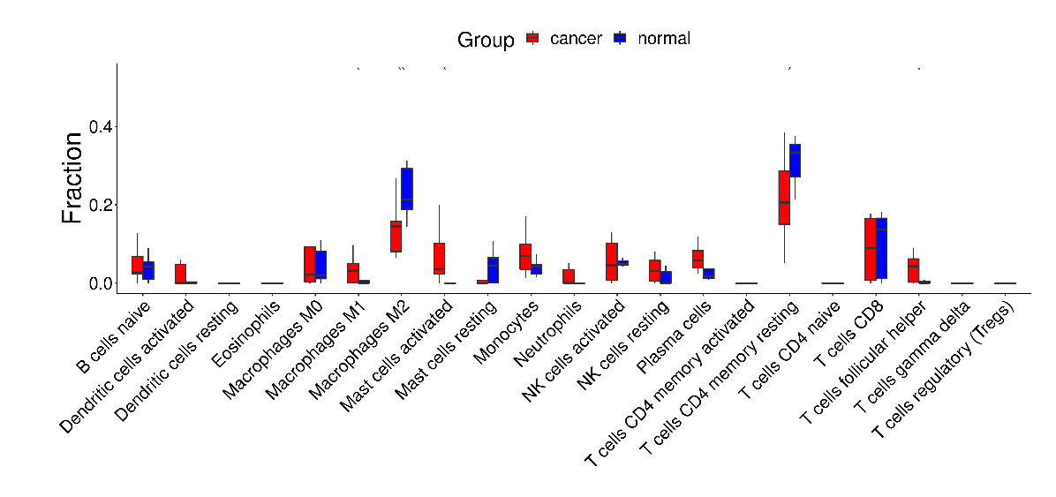

注意：

使用问题，或数据分析合作意向
请微信扫码联系我们

