微生信示例190
富集数据 |  |  |  |  | 基因log2fc数据 |  | 微生信，您身边的数据分析，可视化专家
 |  |  |  |  |  |  | https://www.bioinformatics.com.cn/plot_basic_goplot_gocluster_plot_190
ID | Term | Category | Genes | adj_pval | gene | log2fc
GO:0001819 | positive regulation of cytokine production | BP | DLC1,NRP2,NRP1,EDN1,PDLIM3,GJA1,TTN,GJA5,ZIC3,TGFB2,CERKL,GATA6,COL4A3BP | 0.00000217 | DLC1 | -0.970787511 | 输出示例图
GO:0050900 | leukocyte migration | BP | GNA13,ACVRL1,NRP1,PGF,IL18,LEPR,EDN1,GJA1,FOXO1,GJA5,TGFB2 | 0.0000104 | NRP2 | -1.515317303
GO:0050727 | regulation of inflammatory response | BP | GNA13,ACVRL1,NRP1,PGF,IL18,LEPR,EDN1,GJA1,FOXO1 | 0.00000762 | NRP1 | -1.141231543
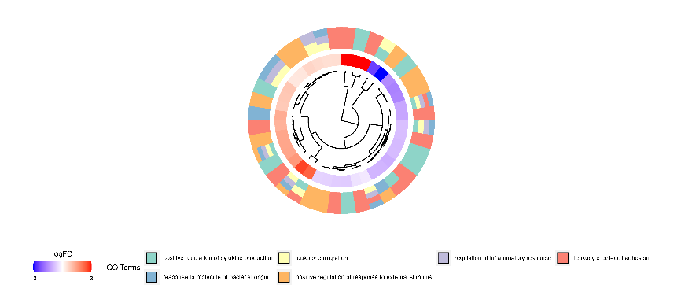
GO:0007159 | leukocyte cell-cell adhesion | BP | DLC1,ENAH,NRP1,PGF,ZIC2,TGFB2,CD44,ILK,SEMA3C,RET,AR,RXRA,VANGL2,LEF1 | 0.000119 | EDN1 | 1.381300593
GO:0002237 | response to molecule of bacterial origin | BP | GNA13,CAV1,ACVRL1,NRP1,PGF,IL18,LEPR,EDN1,GJA1,CDH2 | 0.00072 | PDLIM3 | -0.887693887
GO:0032103 | positive regulation of response to external stimulus | BP | CAV1,XIAP,AGFG1,ADORA2A,TNNC1,TBC1D9,LEPR,ABHD5,EDN1,ASAP2,ASAP3,SMAP1 | 0.001171166 | GJA1 | -0.81794802
 |  |  |  |  | TTN | -0.663359973
 |  |  |  |  | GJA5 | -2.454250023
 |  |  |  |  | ZIC3 | 3.953962077
 |  |  |  |  | TGFB2 | 2.303174833
 |  |  |  |  | CERKL | 0.862400057
 |  |  |  |  | GATA6 | -0.868098097
 |  |  |  |  | COL4A3BP | 1.397117463
 |  |  |  |  | GNA13 | 0.371159948
 |  |  |  |  | ACVRL1 | 0.509690293
 |  |  |  |  | PGF | -0.297338013
 |  |  |  |  | IL18 | 0.887710586
 |  |  |  |  | LEPR | 2.65397884
 |  |  |  |  | FOXO1 | 0.568710633
 |  |  |  |  | ENAH | -0.831753073
 |  |  |  |  | ZIC2 | 1.590361615
 |  |  |  |  | CD44 | -1.039695579
 |  |  |  |  | ILK | -0.647659317 | 注：
 |  |  |  |  | SEMA3C | 5.515629833
 |  |  |  |  | RET | 1.195297373
 |  |  |  |  | AR | -1.153760443
 |  |  |  |  | RXRA | -0.370907151
 |  |  |  |  | VANGL2 | 0.522056899 | 使用问题，或数据分析合作意向
 |  |  |  |  | LEF1 | 4.23127624 | 请微信扫码联系我们

 |  |  |  |  | CAV1 | -0.956726373
 |  |  |  |  | CDH2 | 1.283265268
 |  |  |  |  | XIAP | -0.58492756
 |  |  |  |  | AGFG1 | 1.380974793
 |  |  |  |  | ADORA2A | -1.62486456
 |  |  |  |  | TNNC1 | -3.521360243
 |  |  |  |  | TBC1D9 | -0.567593574
 |  |  |  |  | ABHD5 | 0.39715894
 |  |  |  |  | ASAP2 | -1.57587399
 |  |  |  |  | ASAP3 | 0.833225407
 |  |  |  |  | SMAP1 | 0.655134843

