微生信示例191
GOterm | subgroup | pvalue | count | 微生信，您身边的数据分析，可视化专家
single-organism metabolic process | Biological process | 2.1310363181E-08 | 20 | https://www.bioinformatics.com.cn/plot_basic_GO_term_bp_cc_mf_left_right_bar_plot_191
cellular response to stress | Biological process | 1.5805726671E-08 | 22
odontogenesis | Biological process | 3.4932969657E-09 | 16 | 输出示例图
cellular metabolic process | Biological process | 2.1853984082E-09 | 13
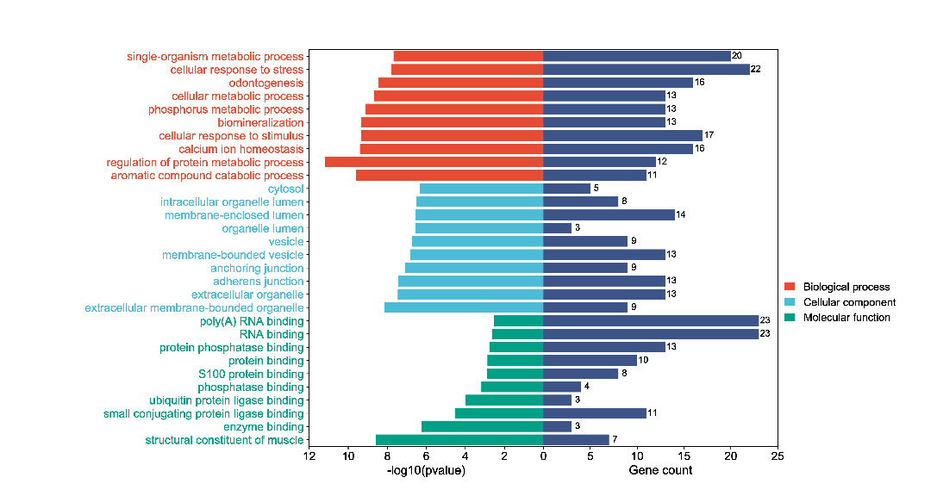
phosphorus metabolic process | Biological process | 7.7786694159E-10 | 13
biomineralization | Biological process | 4.6024700046E-10 | 13
cellular response to stimulus | Biological process | 4.6024700046E-10 | 17
calcium ion homeostasis | Biological process | 3.9605251133E-10 | 16
regulation of protein metabolic process | Biological process | 6.7127484691E-12 | 12
aromatic compound catabolic process | Biological process | 2.51E-10 | 11
cytosol | Cellular component | 4.4731865879E-07 | 5
intracellular organelle lumen | Cellular component | 3.1000075317E-07 | 8
membrane-enclosed lumen | Cellular component | 2.7554697939E-07 | 14
organelle lumen | Cellular component | 2.7554697939E-07 | 3
vesicle | Cellular component | 1.8201109823E-07 | 9
membrane-bounded vesicle | Cellular component | 1.5957766613E-07 | 13
anchoring junction | Cellular component | 8.7171183317E-08 | 9
adherens junction | Cellular component | 3.6887543156E-08 | 13
extracellular organelle | Cellular component | 3.500678262E-08 | 13
extracellular membrane-bounded organelle | Cellular component | 7.2001601227E-09 | 9
poly(A) RNA binding | Molecular function | 0.002954062549 | 23
RNA binding | Molecular function | 0.0022775788484 | 23 | B站：GO BP,CC,MF三合一双侧条形图绘制视频教程
protein phosphatase binding | Molecular function | 0.0016878276543 | 13
protein binding | Molecular function | 0.0013580405555 | 10 | 注意：第二列必需是Biological process，Cellular component或者Molecular function。 大小写保持一致
S100 protein binding | Molecular function | 0.0012883886623 | 8
phosphatase binding | Molecular function | 0.0006694700998 | 4
ubiquitin protein ligase binding | Molecular function | 0.00010410505752 | 3 | 使用问题，或数据分析合作意向
small conjugating protein ligase binding | Molecular function | 3.0998266231E-05 | 11 | 请微信扫码联系我们

enzyme binding | Molecular function | 5.5110891102E-07 | 3
structural constituent of muscle | Molecular function | 2.6412243961E-09 | 7

