微生信示例194

city | latitude | longitude | continent | 微生信，您身边的数据分析，可视化专家
Cairo | 30 | 31.17 | Africa | https://www.bioinformatics.com.cn/plot_basic_world_map_with_scatter_points_plot_194
Cape Town | -33.55 | 18.27 | Africa
Beijing | 39.55 | 116.23 | Asia
Chongqing | 29.31 | 106.35 | Asia
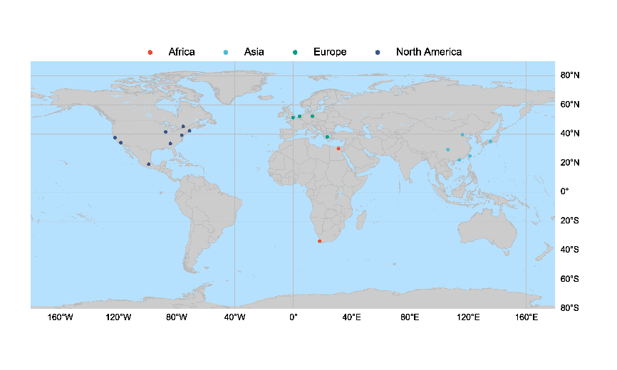
Hong Kong | 22.17 | 114.08 | Asia
Kyoto | 35 | 135.45 | Asia
Taipei | 25.02 | 121.38 | Asia
Amsterdam | 52.21 | 4.52 | Europe
Athens | 38.02 | 23.44 | Europe
Berlin | 52.31 | 13.2 | Europe
London | 51.3 | -0.07 | Europe
Atlanta | 33.46 | -84.25 | North America
Baltimore | 39.17 | -76.37 | North America
Boston | 42.19 | -71.05 | North America
Chicago | 41.51 | -87.41 | North America
Los Angeles | 34.05 | -118.22 | North America
Mexico City | 19.28 | -99.09 | North America
Ottawa | 45.25 | -75.43 | North America
San Francisco | 37.46 | -122.26 | North America

 |  |  |  | 注：

 |  |  |  | 使用问题，或数据分析合作意向
 |  |  |  | 请微信扫码联系我们

