微生信示例207
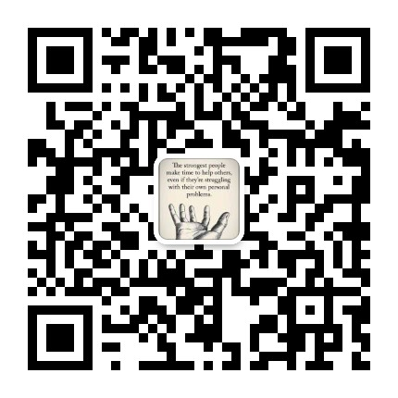
sample | TCGA-A7-A13E-01A | TCGA-A7-A13F-01A | TCGA-A7-A13G-01B | TCGA-AC-A23H-01A | TCGA-AC-A2FM-01A | TCGA-BH-A0BA-01A | TCGA-BH-A0DO-01B | TCGA-BH-A0DT-01A | TCGA-BH-A0DV-01A | TCGA-BH-A0DZ-01A
NIPAL3 | 6.8107367 | 7.050622 | 6.9813867 | 7.2998314 | 7.041568 | 9.484905 | 9.977701 | 9.723755 | 9.6201315 | 10.486978
PROM1 | 5.01536 | 5.731094 | 5.298707 | 5.8971324 | 6.464641 | 9.869354 | 11.777012 | 11.649432 | 10.352056 | 11.938626
PRSS3 | 8.738672 | 9.2197 | 8.076743 | 8.663868 | 7.5036287 | 11.824885 | 12.982059 | 12.769569 | 13.006993 | 12.549852
TSPAN9 | 9.447605 | 8.540031 | 8.3105545 | 8.914537 | 9.233085 | 11.706335 | 12.146469 | 12.6668 | 12.717339 | 12.202961
ABHD5 | 5.509901 | 5.7071095 | 5.366098 | 5.0464416 | 5.237215 | 11.535591 | 9.181955 | 10.550307 | 9.392609 | 10.600118
ANOS1 | 5.0486164 | 5.2502747 | 5.956648 | 5.531144 | 5.692974 | 9.117405 | 8.884419 | 10.652327 | 9.511531 | 10.298245
ISL1 | 5.832454 | 5.291589 | 5.221426 | 5.3193884 | 5.2362657 | 7.6744046 | 8.449337 | 7.6470475 | 8.131983 | 8.246384
NRXN3 | 7.9290576 | 8.61728 | 7.92562 | 8.03618 | 8.02193 | 10.5458355 | 11.369768 | 11.901667 | 12.06916 | 12.012583
GRAMD1B | 3.4820657 | 5.2424183 | 5.275269 | 4.9099016 | 3.830066 | 8.946001 | 8.853661 | 10.427377 | 9.129177 | 9.440903
FAS | 5.3102503 | 5.240279 | 6.7402816 | 5.9644938 | 6.0390863 | 10.737165 | 9.84206 | 12.161396 | 10.242552 | 10.631176
SH2D2A | 8.836288 | 9.270135 | 9.110528 | 8.989386 | 9.63748 | 4.066562 | 5.387206 | 6.1018767 | 5.730713 | 4.6655307
TLL1 | 10.4957905 | 10.524883 | 11.364824 | 10.713586 | 10.755345 | 8.2710705 | 8.117205 | 7.482221 | 7.015799 | 7.1426044
VCAN | 11.199443 | 11.070194 | 11.78775 | 11.219127 | 12.033993 | 8.876076 | 8.508358 | 7.7517624 | 8.600384 | 8.899921
ADRB1 | 8.069855 | 9.301559 | 10.611298 | 9.505042 | 10.138731 | 5.439208 | 5.3491993 | 5.375942 | 5.1630926 | 5.713979
EPHA3 | 8.602623 | 9.122382 | 8.746959 | 7.478642 | 7.9245176 | 4.7027125 | 5.56804 | 5.2284355 | 4.5865245 | 5.097204
SCML1 | 9.937293 | 9.798288 | 10.440286 | 8.779347 | 9.691674 | 5.755197 | 6.897178 | 5.8653526 | 5.364311 | 4.896051
LIMA1 | 10.5543585 | 11.307619 | 11.023248 | 10.575476 | 11.639794 | 8.810078 | 7.709208 | 8.143609 | 8.1059 | 8.41145
SLC4A8 | 10.000566 | 10.141068 | 10.246521 | 10.007177 | 10.963206 | 4.9125996 | 5.7583437 | 7.399536 | 6.8721914 | 5.9004364
FSTL4 | 11.489439 | 11.749455 | 11.582731 | 11.783603 | 12.812412 | 9.587345 | 9.591408 | 9.276796 | 9.550749 | 9.540603
CAMK2B | 11.387453 | 11.051354 | 11.975236 | 11.267474 | 12.2332735 | 9.076155 | 8.405086 | 7.732753 | 8.920027 | 8.99615
LZTS1 | 8.174825 | 10.216494 | 9.867577 | 9.62647 | 9.256825 | 6.0980287 | 5.7940216 | 6.722247 | 5.945036 | 5.5376525

flag | description | TCGA-A7-A13E-01A | TCGA-A7-A13F-01A | TCGA-A7-A13G-01B | TCGA-AC-A23H-01A | TCGA-AC-A2FM-01A | TCGA-BH-A0BA-01A | TCGA-BH-A0DO-01B | TCGA-BH-A0DT-01A | TCGA-BH-A0DV-01A | TCGA-BH-A0DZ-01A
category | Age | <65 | <65 | >=65 | >=65 | >=65 | <65 | >=65 | <65 | <65 | <65
category | Gender | female | female | female | female | male | female | female | female | male | male
category | Stage | Stage II | Stage III | Stage II | Stage II | Stage II | Stage III | Stage I | Stage II | Stage III | Stage II
category | M | MX | M0 | MX | M0 | M0 | M0 | M0 | M0 | M0 | M0
category | N | N1 | N1 | N0 | NX | N1 | N3 | N0 | N1 | N2 | N1
category | T | T2 | T3 | T2 | T2 | T2 | T3 | T1 | T1 | T2 | T2
number | Riskscore | 1 | 2 | 3 | 4 | 5 | 6 | 7 | 8 | 9 | 10

 |  |  | 微生信，您身边的数据分析，可视化专家
 |  |  | http://www.bioinformatics.com.cn/plot_basic_multi_group_clinical_heatmap_207

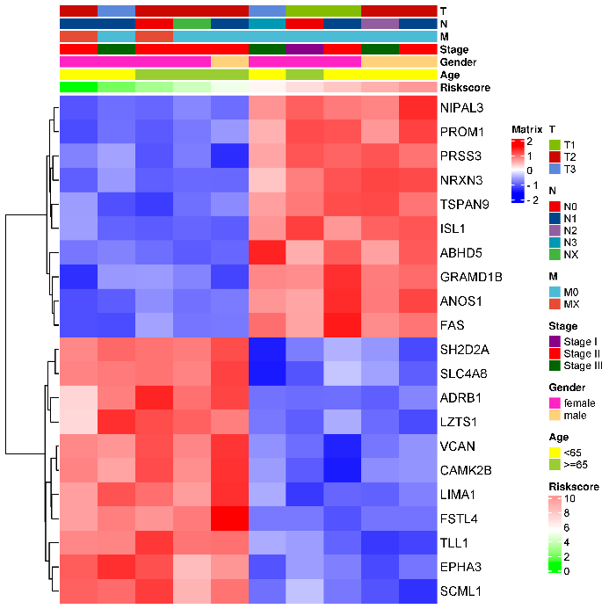

 |  |  | B站：临床热图-给热图添加各种临床信息视频教程

 |  |  | 注：

 |  |  | 使用问题，或数据分析合作意向
 |  |  | 请微信扫码联系我们

