微生信示例209
class | hwy | 微生信，您身边的数据分析，可视化专家
2seater | 23 | https://www.bioinformatics.com.cn/plot_basic_rain_cloud_plot_209
2seater | 24
2seater | 25 | 输出示例图
2seater | 26
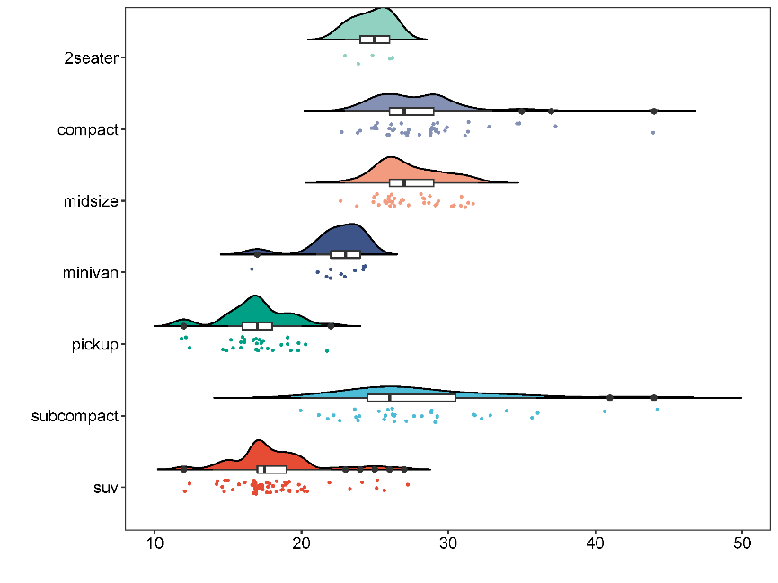
2seater | 26
compact | 23
compact | 24
compact | 24
compact | 25
compact | 25
compact | 25
compact | 25
compact | 25
compact | 25
compact | 25
compact | 26
compact | 26
compact | 26
compact | 26
compact | 26
compact | 26
compact | 26
compact | 27
compact | 27
compact | 27 | 注：
compact | 27
compact | 27
compact | 27
compact | 27
compact | 28 | 使用问题，或数据分析合作意向
compact | 29 | 请微信扫码联系我们

compact | 29
compact | 29
compact | 29
compact | 29
compact | 29
compact | 29
compact | 29
compact | 29
compact | 29
compact | 29
compact | 29
compact | 30
compact | 30
compact | 31
compact | 31
compact | 31
compact | 33
compact | 35
compact | 35
compact | 37
compact | 44
midsize | 23
midsize | 24
midsize | 25
midsize | 25
midsize | 25
midsize | 25
midsize | 26
midsize | 26
midsize | 26
midsize | 26
midsize | 26
midsize | 26
midsize | 26
midsize | 26
midsize | 26
midsize | 26
midsize | 26
midsize | 26
midsize | 26
midsize | 26
midsize | 27
midsize | 27
midsize | 27
midsize | 27
midsize | 27
midsize | 28
midsize | 28
midsize | 28
midsize | 28
midsize | 29
midsize | 29
midsize | 29
midsize | 29
midsize | 29
midsize | 30
midsize | 30
midsize | 31
midsize | 31
midsize | 31
midsize | 31
midsize | 32
minivan | 17
minivan | 21
minivan | 22
minivan | 22
minivan | 22
minivan | 23
minivan | 23
minivan | 24
minivan | 24
minivan | 24
minivan | 24
pickup | 12
pickup | 12
pickup | 12
pickup | 15
pickup | 15
pickup | 15
pickup | 15
pickup | 16
pickup | 16
pickup | 16
pickup | 16
pickup | 16
pickup | 17
pickup | 17
pickup | 17
pickup | 17
pickup | 17
pickup | 17
pickup | 17
pickup | 17
pickup | 17
pickup | 17
pickup | 17
pickup | 18
pickup | 18
pickup | 19
pickup | 19
pickup | 19
pickup | 19
pickup | 20
pickup | 20
pickup | 20
pickup | 22
subcompact | 20
subcompact | 21
subcompact | 22
subcompact | 22
subcompact | 23
subcompact | 24
subcompact | 24
subcompact | 24
subcompact | 24
subcompact | 25
subcompact | 26
subcompact | 26
subcompact | 26
subcompact | 26
subcompact | 26
subcompact | 26
subcompact | 26
subcompact | 26
subcompact | 27
subcompact | 28
subcompact | 28
subcompact | 29
subcompact | 29
subcompact | 29
subcompact | 29
subcompact | 29
subcompact | 32
subcompact | 32
subcompact | 32
subcompact | 33
subcompact | 34
subcompact | 36
subcompact | 36
subcompact | 41
subcompact | 44
suv | 12
suv | 12
suv | 14
suv | 14
suv | 15
suv | 15
suv | 15
suv | 15
suv | 15
suv | 15
suv | 16
suv | 16
suv | 17
suv | 17
suv | 17
suv | 17
suv | 17
suv | 17
suv | 17
suv | 17
suv | 17
suv | 17
suv | 17
suv | 17
suv | 17
suv | 17
suv | 17
suv | 17
suv | 17
suv | 17
suv | 17
suv | 18
suv | 18
suv | 18
suv | 18
suv | 18
suv | 18
suv | 18
suv | 18
suv | 19
suv | 19
suv | 19
suv | 19
suv | 19
suv | 19
suv | 19
suv | 19
suv | 19
suv | 20
suv | 20
suv | 20
suv | 20
suv | 20
suv | 20
suv | 20
suv | 22
suv | 23
suv | 24
suv | 25
suv | 25
suv | 26
suv | 27

