微生信示例210

X | Y | count | pvalue | 微生信，您身边的数据分析，可视化专家
F1 | connective tissue development | 26 | 1.91E-05 | https://www.bioinformatics.com.cn/plot_basic_matrix_dotplot_210
F1 | regulation of small GTPase mediated signal transduction | 29 | 2.52E-05
F1 | calcium ion transport | 36 | 3.71E-05 | 输出示例图
F1 | detection of external stimulus | 17 | 4.44E-05
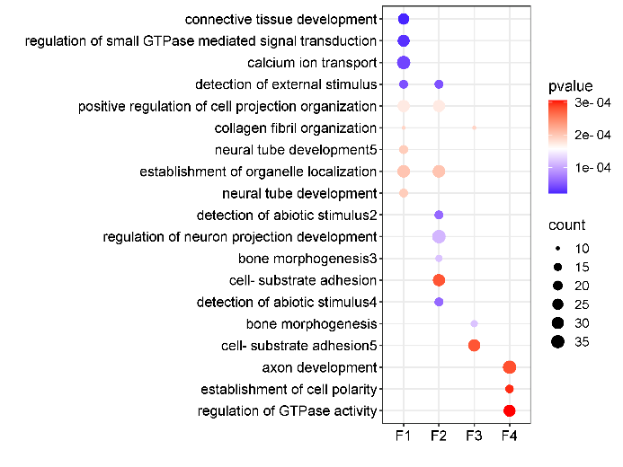
F1 | positive regulation of cell projection organization | 30 | 0.00017258
F1 | collagen fibril organization | 10 | 0.000189155
F1 | neural tube development5 | 17 | 0.000195768
F1 | establishment of organelle localization | 32 | 0.000202091
F1 | neural tube development | 17 | 0.000195768
F2 | establishment of organelle localization | 32 | 0.000202091
F2 | detection of abiotic stimulus2 | 17 | 5.89E-05
F2 | regulation of neuron projection development | 36 | 0.000110029
F2 | bone morphogenesis3 | 13 | 0.000118463
F2 | cell-substrate adhesion | 30 | 0.00027944
F2 | detection of abiotic stimulus4 | 17 | 5.89E-05
F2 | detection of external stimulus | 17 | 4.44E-05
F2 | positive regulation of cell projection organization | 30 | 0.00017258
F3 | collagen fibril organization | 10 | 0.000189155
F3 | bone morphogenesis | 13 | 0.000118463
F3 | cell-substrate adhesion5 | 30 | 0.00027944
F4 | axon development | 36 | 0.000282213
F4 | establishment of cell polarity | 16 | 0.000297355
F4 | regulation of GTPase activity | 29 | 0.000305767 | B站：矩阵气泡图展示多个比较的GO或者KEGG富集结果视频教程

 |  |  |  | 注：

 |  |  |  | 使用问题，或数据分析合作意向
 |  |  |  | 请微信扫码联系我们

