微生信示例214
patientid | value | name | color | 微生信，您身边的数据分析，可视化专家
p1 | 27 | CRC | 6 | https://www.bioinformatics.com.cn/plot_basic_rcircos_chromosome_gene_name_plot_185
p2 | 16 | NSCLC | 2
p3 | 14 | Sarcoma | 1 | 输出示例图
p4 | 3 | Sarcoma | 1
p5 | -5 | Pancreatic | 7
p6 | -7 | Pancreatic | 7
p7 | -9 | Sarcoma | 1
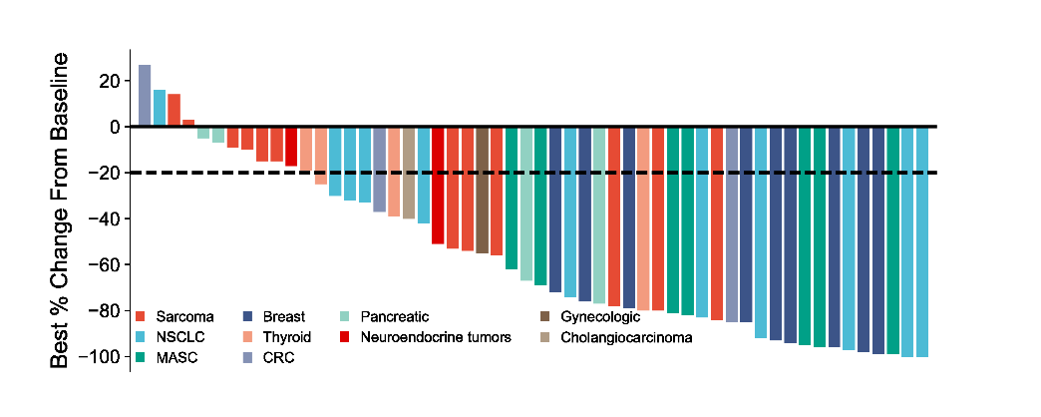
p8 | -10 | Sarcoma | 1
p9 | -15 | Sarcoma | 1
p10 | -15 | Sarcoma | 1
p11 | -17 | Neuroendocrine tumors | 8
p12 | -19 | Thyroid | 5
p13 | -25 | Thyroid | 5
p14 | -30 | NSCLC | 2
p15 | -32 | NSCLC | 2
p16 | -33 | NSCLC | 2
p17 | -37 | CRC | 6
p18 | -39 | Thyroid | 5
p19 | -40 | Cholangiocarcinoma | 10
p20 | -42 | NSCLC | 2
p21 | -51 | Neuroendocrine tumors | 8
p22 | -53 | Sarcoma | 1
p23 | -54 | Sarcoma | 1
p24 | -55 | Gynecologic | 9 | 注意：
p25 | -56 | Sarcoma | 1
p26 | -62 | MASC | 3
p27 | -67 | Pancreatic | 7
p28 | -69 | MASC | 3 | 使用问题，或数据分析合作意向
p29 | -72 | Breast | 4 | 请微信扫码联系我们
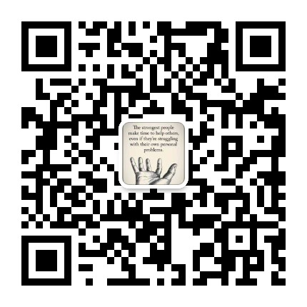
p30 | -74 | NSCLC | 2
p31 | -76 | Breast | 4
p32 | -77 | Pancreatic | 7
p33 | -78 | Sarcoma | 1
p34 | -79 | Breast | 4
p35 | -80 | Thyroid | 5
p36 | -80 | Sarcoma | 1
p37 | -81 | MASC | 3
p38 | -82 | MASC | 3
p39 | -83 | NSCLC | 2
p40 | -84 | Sarcoma | 1
p41 | -85 | CRC | 6
p42 | -85 | Breast | 4
p43 | -92 | NSCLC | 2
p44 | -93 | Breast | 4
p45 | -94 | Breast | 4
p46 | -95 | MASC | 3
p47 | -96 | MASC | 3
p48 | -96 | Breast | 4
p49 | -97 | NSCLC | 2
p50 | -98 | Breast | 4
p51 | -99 | Breast | 4
p52 | -99 | MASC | 3
p53 | -100 | NSCLC | 2
p54 | -100 | NSCLC | 2

