微生信示例240

Description | GeneRatio | pvalue | Count | category | 微生信，您身边的数据分析，可视化专家
Leukocyte transendothelial migration | 0.03 | 0.049 | 8 | protein | https://www.bioinformatics.com.cn/plot_basic_horizontal_facet_kegg_go_bubble_plot_240
Complement and coagulation cascades | 0.03 | 0.001767849 | 19 | protein
Estrogen signaling pathway | 0.05 | 0.00154 | 21 | gene | 输出示例图
Estrogen signaling pathway | 0.05 | 3.90E-05 | 20 | protein
Staphylococcus aureus infection | 0.05 | 5.05E-06 | 15 | protein
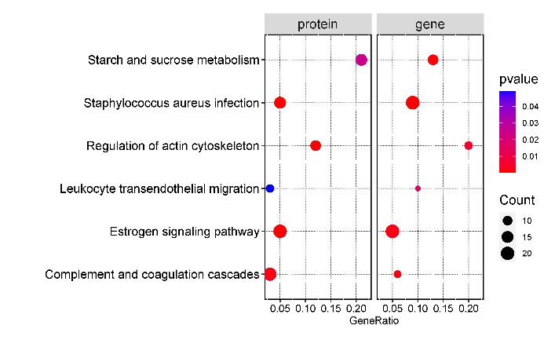
Complement and coagulation cascades | 0.06 | 0.000940216 | 7 | gene
Staphylococcus aureus infection | 0.09 | 1.83E-07 | 21 | gene
Leukocyte transendothelial migration | 0.10 | 0.013795822 | 6 | gene
Regulation of actin cytoskeleton | 0.12 | 0.0004 | 12 | protein
Starch and sucrose metabolism | 0.13 | 0.000264 | 12 | gene
Regulation of actin cytoskeleton | 0.20 | 0.005464 | 8 | gene
Starch and sucrose metabolism | 0.21 | 0.025 | 15 | protein

 |  |  |  |  | 注意：

 |  |  |  |  | 使用问题，或数据分析合作意向
 |  |  |  |  | 请微信扫码联系我们

